PRE GRASP SUMMARY 1
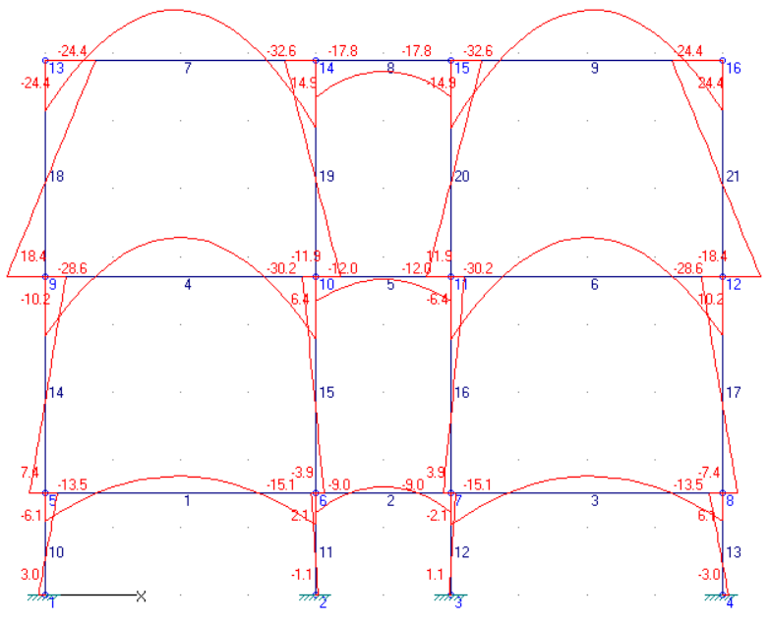
GRID 1
DEAD LOADS |  |  |  |  |  |  |  | 1.2DL + 1.6LL
Member | Mz.i [KN-m] | Mz.pos [KN-m] | Mz.j [KN-m] | Fy.i [KN] | Fy.j [KN] | Fx.i [KN] | Fx.j [KN] | Member | Mz.i [KN-m] | Mz.pos [KN-m] | Mz.j [KN-m] | Fy.i [KN] | Fy.j [KN] | Fx.i [KN] | Fx.j [KN]
1 | -11.1693 | 7.0135 | -12.4358 | 18.4994 | -19.1326 | -1.1981 | -1.1981 | 1 | -13.4536 | 8.3031 | -15.0985 | 22.168 | -22.9904 | -0.5931 | -0.5931
2 | -6.9311 | 2.1204 | -6.9311 | 18.103 | -18.103 | -1.1516 | -1.1516 | 2 | -9.0431 | 3.3387 | -9.0431 | 24.7636 | -24.7636 | -1.6641 | -1.6641
3 | -12.4358 | 7.0135 | -11.1693 | 19.1326 | -18.4994 | -1.1981 | -1.1981 | 3 | -15.0985 | 8.3031 | -13.4536 | 22.9904 | -22.168 | -0.5931 | -0.5931
4 | -19.9811 | 13.3705 | -21.3819 | 33.7018 | -34.4022 | 4.704 | 4.704 | 4 | -28.6012 | 19.0496 | -30.2245 | 48.0566 | -48.8682 | 7.8898 | 7.8898
5 | -9.2055 | 0 | -9.2055 | 18.103 | -18.103 | 1.7592 | 1.7592 | 5 | -11.9658 | 0 | -11.9658 | 21.7236 | -21.7236 | 2.7502 | 2.7502
6 | -21.3819 | 13.3705 | -19.9811 | 34.4022 | -33.7018 | 4.704 | 4.704 | 6 | -30.2245 | 19.0496 | -28.6012 | 48.8682 | -48.0566 | 7.8898 | 7.8898
7 | -15.9317 | 15.4469 | -21.2785 | 32.7153 | -35.3887 | -8.865 | -8.865 | 7 | -24.3758 | 23.9628 | -32.6234 | 50.4005 | -54.5243 | -13.3713 | -13.3713
8 | -11.9183 | 0 | -11.9183 | 18.103 | -18.103 | -3.5447 | -3.5447 | 8 | -17.7576 | 0 | -17.7576 | 24.7636 | -24.7636 | -5.0135 | -5.0135
9 | -21.2785 | 15.4469 | -15.9317 | 35.3887 | -32.7153 | -8.865 | -8.865 | 9 | -32.6234 | 23.9628 | -24.3758 | 54.5243 | -50.4005 | -13.3713 | -13.3713 |  |  | Mumax (amongst grids) @ support | Mumax (amongst grids) @ midspan
10 | 2.64 | 2.64 | -5.3988 | -5.3592 | -5.3592 | -84.9165 | -84.9165 | 10 | 3.0104 | 3.0104 | -6.1015 | -6.0746 | -6.0746 | -120.6251 | -120.6251 |  |  | -32.6234 | 23.9628
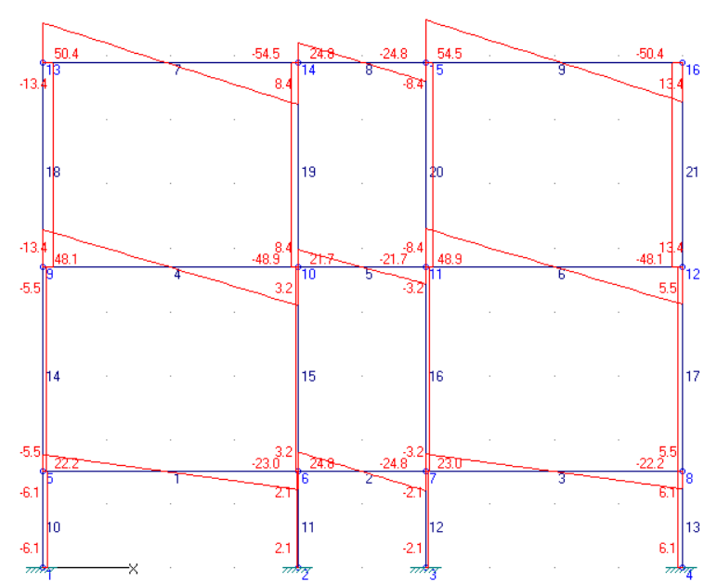
11 | -1.2187 | 2.4145 | 2.4145 | 2.4221 | 2.4221 | -143.2325 | -143.2325 | 11 | -1.0847 | 2.1362 | 2.1362 | 2.1473 | 2.1473 | -197.6337 | -197.6337
12 | 1.2187 | 1.2187 | -2.4145 | -2.4221 | -2.4221 | -143.2325 | -143.2325 | 12 | 1.0847 | 1.0847 | -2.1362 | -2.1473 | -2.1473 | -197.6337 | -197.6337 |  |  | Vumax (amongst grids)
13 | -2.64 | 5.3988 | 5.3988 | 5.3592 | 5.3592 | -84.9165 | -84.9165 | 13 | -3.0104 | 6.1015 | 6.1015 | 6.0746 | 6.0746 | -120.6251 | -120.6251 |  |  | 54.5243
14 | 5.7705 | 5.7705 | -7.5448 | -4.161 | -4.161 | -66.4171 | -66.4171 | 14 | 7.3521 | 7.3521 | -10.1888 | -5.4815 | -5.4815 | -98.4571 | -98.4571
15 | -3.0902 | 4.5117 | 4.5117 | 2.3756 | 2.3756 | -105.9969 | -105.9969 | 15 | -3.9192 | 6.3793 | 6.3793 | 3.2183 | 3.2183 | -149.8797 | -149.8797
16 | 3.0902 | 3.0902 | -4.5117 | -2.3756 | -2.3756 | -105.9969 | -105.9969 | 16 | 3.9192 | 3.9192 | -6.3793 | -3.2183 | -3.2183 | -149.8797 | -149.8797
17 | -5.7705 | 7.5448 | 7.5448 | 4.161 | 4.161 | -66.4171 | -66.4171 | 17 | -7.3521 | 10.1888 | 10.1888 | 5.4815 | 5.4815 | -98.4571 | -98.4571
18 | 12.4363 | 12.4363 | -15.9317 | -8.865 | -8.865 | -32.7153 | -32.7153 | 18 | 18.4124 | 18.4124 | -24.3758 | -13.3713 | -13.3713 | -50.4005 | -50.4005
19 | -7.6648 | 9.3602 | 9.3603 | 5.3203 | 5.3203 | -53.4917 | -53.4917 | 19 | -11.8793 | 14.8658 | 14.8658 | 8.3579 | 8.3579 | -79.2879 | -79.2879
20 | 7.6648 | 7.6648 | -9.3603 | -5.3203 | -5.3203 | -53.4917 | -53.4917 | 20 | 11.8793 | 11.8793 | -14.8658 | -8.3579 | -8.3579 | -79.2879 | -79.2879
21 | -12.4363 | 15.9317 | 15.9317 | 8.865 | 8.865 | -32.7153 | -32.7153 | 21 | -18.4124 | 24.3758 | 24.3758 | 13.3713 | 13.3713 | -50.4005 | -50.4005

LIVE LOADS |  |  |  |  |  |  |  | BEAM SUMMARY (ALL FLOORS) |  |  |  |  | BEAM SUMMARY (DL , LL)
Member | Mz.i [KN-m] | Mz.pos [KN-m] | Mz.j [KN-m] | Fy.i [KN] | Fy.j [KN] | Fx.i [KN] | Fx.j [KN] | CASE | MAX | AT SUPPORT | AT MIDSPAN |  | TIE BEAM
1 | -0.0316 | 0 | -0.1098 | -0.0196 | -0.0196 | 0.5279 | 0.5279 | DL |  |  |  |  | LOAD | MAX | AT SUPPORT | AT MIDSPAN
2 | -0.4536 | 0.4964 | -0.4536 | 1.9 | -1.9 | -0.1764 | -0.1764 |  | M (KNm) | -21.3819 | 15.4469 |  | DL
3 | -0.1098 | 0 | -0.0316 | 0.0196 | 0.0196 | 0.5279 | 0.5279 |  | V (KN) | 35.3887 |  |  |  | M (KNm) | -12.4358 | 7.0135
4 | -2.8899 | 1.8781 | -2.8538 | 4.759 | -4.741 | 1.4031 | 1.4031 |  | P (KN) | 143.2325 |  |  |  | V (KN) | 19.1326
5 | -0.5745 | 0 | -0.5745 | 4.22E-16 | 4.22E-16 | 0.3995 | 0.3995 | LL |  |  |  |  |  | P (KN) | 143.2325
6 | -2.8538 | 1.8781 | -2.8899 | 4.741 | -4.759 | 1.4031 | 1.4031 |  | M (KNm) | -4.4307 | 3.3916 |  | LL
7 | -3.2861 | 3.3916 | -4.4307 | 6.9638 | -7.5362 | -1.7083 | -1.7083 |  | V (KN) | 7.5362 |  |  |  | M (KNm) | -0.4536 | 0.4964
8 | -2.1598 | 0 | -2.1598 | 1.9 | -1.9 | -0.4749 | -0.4749 |  | P (KN) | 16.0967 |  |  |  | V (KN) | 1.9
9 | -4.4307 | 3.3916 | -3.2861 | 7.5362 | -6.9638 | -1.7083 | -1.7083 | 1.2DL+1.6LL |  |  |  |  |  | P (KN) | 16.0967
10 | -0.0985 | 0.2356 | 0.2356 | 0.2227 | 0.2227 | -11.7033 | -11.7033 |  | M (KNm) | -32.6234 | 23.9628 |  | 2ND-3RD FLR BEAM
11 | 0.2361 | 0.2361 | -0.4757 | -0.4746 | -0.4746 | -16.0967 | -16.0967 |  | V (KN) | 54.5243 |  |  | LOAD | MAX | AT SUPPORT | AT MIDSPAN
12 | -0.2361 | 0.4757 | 0.4757 | 0.4746 | 0.4746 | -16.0967 | -16.0967 |  | P (KN) | 197.6337 |  |  | DL
13 | 0.0985 | 0.0985 | -0.2356 | -0.2227 | -0.2227 | -11.7033 | -11.7033 |  |  |  |  |  |  | M (KNm) | -21.3819 | 15.4469
14 | 0.2672 | 0.2672 | -0.7094 | -0.3052 | -0.3052 | -11.7229 | -11.7229 | COLUMN SUMMARY (1.2DL+1.6LL) |  |  |  |  |  | V (KN) | 35.3887
15 | -0.1319 | 0.6033 | 0.6033 | 0.2297 | 0.2297 | -14.1771 | -14.1771 | FLOOR | INSIDE COL | OUTSIDE COL |  |  |  | P (KN) | 105.9969
16 | 0.1319 | 0.1319 | -0.6033 | -0.2297 | -0.2297 | -14.1771 | -14.1771 | FLR 1 | 149.8797 | 98.4571 |  |  | LL
17 | -0.2672 | 0.7094 | 0.7094 | 0.3052 | 0.3052 | -11.7229 | -11.7229 | FLR 2-3 | 79.2879 | 50.4005 |  |  |  | M (KNm) | -4.4307 | 3.3916 | 1ST FLOOR
18 | 2.1806 | 2.1806 | -3.2861 | -1.7083 | -1.7083 | -6.9638 | -6.9638 | COLUMN SUMMARY (DL,LL) |  |  |  |  |  | V (KN) | 7.5362 |  | 2ND FLOOR
19 | -1.676 | 2.271 | 2.271 | 1.2334 | 1.2334 | -9.4362 | -9.4362 | FLOOR | INSIDE COL | OUTSIDE COL | INSIDE COL | OUTSIDE COL |  | P (KN) | 14.1771 |  | 3RD FLOOR
20 | 1.676 | 1.676 | -2.271 | -1.2334 | -1.2334 | -9.4362 | -9.4362 | FLR 1 | 143.2325 | 84.9165 | 16.0967 | 11.7033
21 | -2.1806 | 3.2861 | 3.2861 | 1.7083 | 1.7083 | -6.9638 | -6.9638 | FLR 2-3 | 105.9969 | 66.4171 | 14.1771 | 11.7229

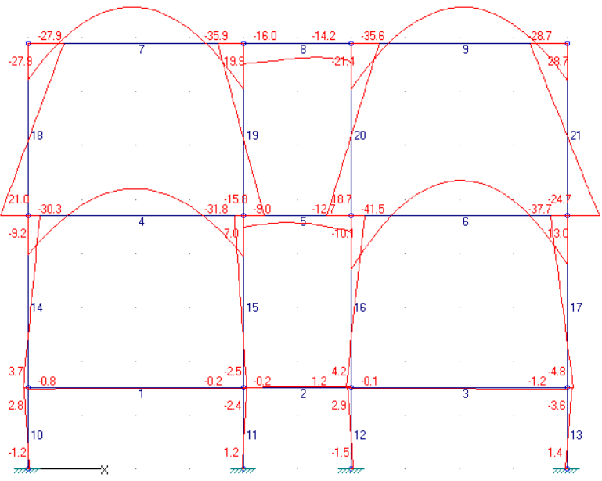
GRID 2
DEAD LOADS |  |  |  |  |  |  |  | 1.2DL + 1.6LL
Member | Mz.i [KN-m] | Mz.pos [KN-m] | Mz.j [KN-m] | Fy.i [KN] | Fy.j [KN] | Fx.i [KN] | Fx.j [KN] | Member | Mz.i [KN-m] | Mz.pos [KN-m] | Mz.j [KN-m] | Fy.i [KN] | Fy.j [KN] | Fx.i [KN] | Fx.j [KN]
1 | -0.5745 | 0 | -0.0703 | 0.1261 | 0.1261 | 4.2395 | 4.2395 | 1 | -0.8387 | 0 | -0.2452 | 0.1484 | 0.1484 | 6.7011 | 6.7011
2 | 0.0784 | 1.0846 | 1.0846 | 0.5031 | 0.5031 | 1.1594 | 1.1594 | 2 | -0.2105 | 1.2483 | 1.1871 | 2.9788 | -0.0612 | 1.3551 | 1.3551
3 | -0.0135 | 0 | -0.8712 | -0.2144 | -0.2144 | 6.045 | 6.045 | 3 | -0.108 | 0 | -1.2431 | -0.2838 | -0.2838 | 8.831 | 8.831
4 | -17.58 | 12.3218 | -18.7204 | 30.1869 | -30.7571 | 5.6241 | 5.6241 | 4 | -30.2576 | 20.7545 | -31.7661 | 51.3893 | -52.1435 | 11.2813 | 11.2813
5 | -6.0174 | 0 | -9.1426 | 7.1324 | -10.2576 | 1.6002 | 1.6002 | 5 | -8.9836 | 0 | -12.6816 | 8.585 | -12.283 | 3.0805 | 3.0805
6 | -26.8796 | 17.7089 | -23.7345 | 43.8023 | -42.2297 | 5.5266 | 5.5266 | 6 | -41.5281 | 27.2229 | -37.6645 | 67.7851 | -65.8533 | 11.1432 | 11.1432
7 | -14.465 | 14.0226 | -18.4338 | 29.4798 | -31.4642 | -8.1863 | -8.1863 | 7 | -27.9401 | 27.8387 | -35.9154 | 57.7726 | -61.7602 | -15.3063 | -15.3063
8 | -8.4042 | 0 | -6.858 | 2.9469 | -5.7481 | -2.3922 | -2.3922 | 8 | -15.9925 | 0 | -14.1813 | 4.2741 | -9.1999 | -4.1494 | -4.1494
9 | -18.1703 | 13.8155 | -15.1427 | 31.2289 | -29.7151 | -9.3509 | -9.3509 | 9 | -35.6183 | 27.5825 | -28.7496 | 61.4836 | -58.0492 | -16.6992 | -16.6992
10 | -0.7401 | 1.7757 | 1.7757 | 1.6772 | 1.6772 | -59.7928 | -59.7928 | 10 | -1.1906 | 2.8236 | 2.8236 | 2.6762 | 2.6762 | -109.3102 | -109.3102
11 | 0.6403 | 0.6403 | -1.3244 | -1.3098 | -1.3098 | -72.6777 | -72.6777 | 11 | 1.1638 | 1.1638 | -2.4213 | -2.39 | -2.39 | -129.5933 | -129.5933
12 | -0.9567 | 1.8233 | 1.8233 | 1.8533 | 1.8533 | -90.3193 | -90.3193 | 12 | -1.5437 | 2.9395 | 2.9395 | 2.9888 | 2.9888 | -150.529 | -150.529
13 | 0.9191 | 0.9191 | -2.4119 | -2.2207 | -2.2207 | -72.1593 | -72.1593 | 13 | 1.3527 | 1.3527 | -3.5598 | -3.275 | -3.275 | -124.1863 | -124.1863
14 | 2.3503 | 2.3503 | -5.8489 | -2.5622 | -2.5622 | -59.6667 | -59.6667 | 14 | 3.6623 | 3.6623 | -9.2175 | -4.025 | -4.025 | -109.1619 | -109.1619
15 | -1.473 | 4.1916 | 4.1916 | 1.7702 | 1.7702 | -72.3006 | -72.3006 | 15 | -2.456 | 7.0033 | 7.0033 | 2.956 | 2.956 | -126.7629 | -126.7629
16 | 2.9214 | 2.9214 | -6.7818 | -3.0323 | -3.0323 | -91.0369 | -91.0369 | 16 | 4.2346 | 4.2346 | -10.1242 | -4.4871 | -4.4871 | -150.7515 | -150.7515
17 | -3.2832 | 8.9545 | 8.9545 | 3.8243 | 3.8243 | -71.9448 | -71.9448 | 17 | -4.8028 | 12.9766 | 12.9766 | 5.5561 | 5.5561 | -123.9025 | -123.9025
18 | 11.7312 | 11.7312 | -14.465 | -8.1863 | -8.1863 | -29.4798 | -29.4798 | 18 | 21.0401 | 21.0401 | -27.9401 | -15.3063 | -15.3063 | -57.7726 | -57.7726
19 | -8.5114 | 10.0296 | 10.0296 | 5.7941 | 5.7941 | -34.4111 | -34.4111 | 19 | -15.7792 | 19.9228 | 19.9228 | 11.1569 | 11.1569 | -66.0344 | -66.0344
20 | 10.9552 | 10.9552 | -11.3123 | -6.9586 | -6.9586 | -36.977 | -36.977 | 20 | 18.7224 | 18.7224 | -21.4371 | -12.5498 | -12.5498 | -70.6834 | -70.6834
21 | -14.78 | 15.1427 | 15.1427 | 9.3509 | 9.3509 | -29.7151 | -29.7151 | 21 | -24.688 | 28.7496 | 28.7496 | 16.6992 | 16.6992 | -58.0492 | -58.0492

LIVE LOADS |  |  |  |  |  |  |  | BEAM SUMMARY (ALL FLOORS) |  |  |  |  | BEAM SUMMARY (DL , LL)
Member | Mz.i [KN-m] | Mz.pos [KN-m] | Mz.j [KN-m] | Fy.i [KN] | Fy.j [KN] | Fx.i [KN] | Fx.j [KN] | CASE | MAX | AT SUPPORT | AT MIDSPAN |  | TIE BEAM
1 | -0.0933 | 0 | -0.1005 | -0.0018 | -0.0018 | 1.0086 | 1.0086 | DL |  |  |  |  | LOAD | MAX | AT SUPPORT | AT MIDSPAN
2 | -0.1903 | 0.3892 | -0.0715 | 1.4844 | -0.4156 | -0.0227 | -0.0227 |  | M (KNm) | -26.8796 | 17.7089 |  | DL
3 | -0.0574 | 0 | -0.1235 | -0.0165 | -0.0165 | 0.9856 | 0.9856 |  | V (KN) | 43.8023 |  |  |  | M (KNm) | -0.5745 | 1.0846
4 | -5.726 | 3.7302 | -5.8135 | 9.4781 | -9.5219 | 2.8328 | 2.8328 |  | P (KN) | 91.0369 |  |  |  | V (KN) | 0.5031
5 | -1.1017 | 0 | -1.0691 | 1.63E-02 | 1.63E-02 | 0.7252 | 0.7252 | LL |  |  |  |  |  | P (KN) | 90.3193
6 | -5.7954 | 3.7326 | -5.7394 | 9.514 | -9.486 | 2.8196 | 2.8196 |  | M (KNm) | -8.6337 | 6.8822 |  | LL
7 | -6.6138 | 6.8822 | -8.6217 | 13.998 | -15.002 | -3.4267 | -3.4267 |  | V (KN) | 15.0056 |  |  |  | M (KNm) | -0.1903 | 0.3892
8 | -3.6922 | 0 | -3.7198 | 0.4612 | -1.4388 | -0.7992 | -0.7992 |  | P (KN) | 26.4876 |  |  |  | V (KN) | 1.4844
9 | -8.6337 | 6.8774 | -6.6115 | 15.0056 | -13.9944 | -3.4239 | -3.4239 | 1.2DL+1.6LL |  |  |  |  |  | P (KN) | 26.4876
10 | -0.1891 | 0.433 | 0.433 | 0.4147 | 0.4147 | -23.4743 | -23.4743 |  | M (KNm) | -41.5281 | 27.8387 |  | 2ND-3RD FLR BEAM
11 | 0.2471 | 0.2471 | -0.52 | -0.5114 | -0.5114 | -26.4876 | -26.4876 |  | V (KN) | 67.7851 |  |  | LOAD | MAX | AT SUPPORT | AT MIDSPAN
12 | -0.2473 | 0.4697 | 0.4697 | 0.478 | 0.478 | -26.3411 | -26.3411 |  | P (KN) | 150.7515 |  |  | DL
13 | 0.1561 | 0.1561 | -0.4159 | -0.3813 | -0.3813 | -23.497 | -23.497 |  |  |  |  |  |  | M (KNm) | -26.8796 | 17.7089
14 | 0.5263 | 0.5263 | -1.3743 | -0.5939 | -0.5939 | -23.4761 | -23.4761 | COLUMN SUMMARY (1.2DL+1.6LL) |  |  |  |  |  | V (KN) | 43.8023
15 | -0.4302 | 1.2334 | 1.2334 | 0.5199 | 0.5199 | -25.0014 | -25.0014 | FLOOR | INSIDE COL | OUTSIDE COL |  |  |  | P (KN) | 91.0369
16 | 0.4556 | 0.4556 | -1.2413 | -0.5303 | -0.5303 | -25.9421 | -25.9421 | FLR 1 | 150.7515 | 123.9025 |  |  | LL
17 | -0.5394 | 1.3945 | 1.3945 | 0.6043 | 0.6043 | -23.4804 | -23.4804 | FLR 2-3 | 70.6834 | 58.0492 |  |  |  | M (KNm) | -8.6337 | 6.8822 | 1ST FLOOR
18 | 4.3516 | 4.3516 | -6.6138 | -3.4267 | -3.4267 | -13.998 | -13.998 | COLUMN SUMMARY (DL,LL) |  |  |  |  |  | V (KN) | 15.0056 |  | 2ND FLOOR
19 | -3.4785 | 4.9295 | 4.9295 | 2.6275 | 2.6275 | -15.4632 | -15.4632 | FLOOR | INSIDE COL | OUTSIDE COL | INSIDE COL | OUTSIDE COL |  | P (KN) | 25.9421 |  | 3RD FLOOR
20 | 3.485 | 3.485 | -4.9139 | -2.6247 | -2.6247 | -16.4444 | -16.4444 | FLR 1 | 90.3193 | 72.1593 | 26.4876 | 23.497
21 | -4.345 | 6.6115 | 6.6115 | 3.4239 | 3.4239 | -13.9944 | -13.9944 | FLR 2-3 | 91.0369 | 71.9448 | 25.9421 | 23.4804

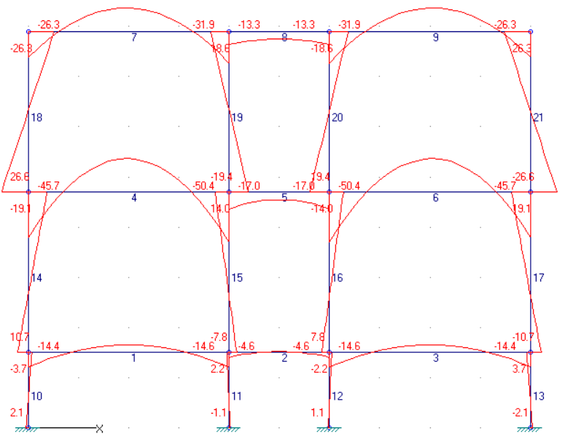
GRID 3
DEAD LOADS |  |  |  |  |  |  |  | 1.2DL + 1.6LL
Member | Mz.i [KN-m] | Mz.pos [KN-m] | Mz.j [KN-m] | Fy.i [KN] | Fy.j [KN] | Fx.i [KN] | Fx.j [KN] | Member | Mz.i [KN-m] | Mz.pos [KN-m] | Mz.j [KN-m] | Fy.i [KN] | Fy.j [KN] | Fx.i [KN] | Fx.j [KN]
1 | -11.5837 | 6.977 | -12.0943 | 18.6883 | -18.9437 | 0.9559 | 0.9559 | 1 | -14.4414 | 8.0443 | -14.6283 | 22.5325 | -22.6259 | 5.4332 | 5.4332
2 | -4.2691 | 0.4349 | -4.2691 | 9.408 | -9.408 | 0.1302 | 0.1302 | 2 | -4.6062 | 1.0386 | -4.6062 | 11.2896 | -11.2896 | 0.8464 | 0.8464
3 | -12.0943 | 6.977 | -11.5837 | 18.9437 | -18.6883 | 0.9559 | 0.9559 | 3 | -14.6283 | 8.0443 | -14.4414 | 22.6259 | -22.5325 | 5.4332 | 5.4332
4 | -26.2284 | 18.7038 | -28.844 | 45.5861 | -46.8939 | 4.478 | 4.478 | 4 | -45.7138 | 33.5693 | -50.4436 | 80.4656 | -82.8304 | 7.2232 | 7.2232
5 | -10.6004 | 0 | -10.6004 | 15.502 | -15.502 | 1.4335 | 1.4335 | 5 | -16.9898 | 0 | -16.9898 | 18.6024 | -18.6024 | 2.1354 | 2.1354
6 | -28.844 | 18.7038 | -26.2284 | 46.8939 | -45.5861 | 4.478 | 4.478 | 6 | -50.4436 | 33.5693 | -45.7138 | 82.8304 | -80.4656 | 7.2232 | 7.2232
7 | -16.6741 | 15.3498 | -20.7302 | 33.038 | -35.066 | -10.0373 | -10.0373 | 7 | -26.2842 | 23.3779 | -31.8849 | 51.0622 | -53.8626 | -16.5352 | -16.5352
8 | -9.4375 | 0 | -9.4375 | 9.408 | -9.408 | -3.149 | -3.149 | 8 | -13.2516 | 0 | -13.2516 | 11.2896 | -11.2896 | -4.6353 | -4.6353
9 | -20.7302 | 15.3498 | -16.6741 | 35.066 | -33.038 | -10.0373 | -10.0373 | 9 | -31.8849 | 23.3779 | -26.2842 | 53.8626 | -51.0622 | -16.5352 | -16.5352
10 | 2.3281 | 2.3281 | -4.5771 | -4.6034 | -4.6034 | -97.3124 | -97.3124 | 10 | 2.0899 | 2.0899 | -3.7283 | -3.8788 | -3.8788 | -154.0603 | -154.0603
11 | -1.5082 | 3.019 | 3.019 | 3.0181 | 3.0181 | -135.2216 | -135.2216 | 11 | -1.107 | 2.231 | 2.231 | 2.2253 | 2.2253 | -200.5006 | -200.5006
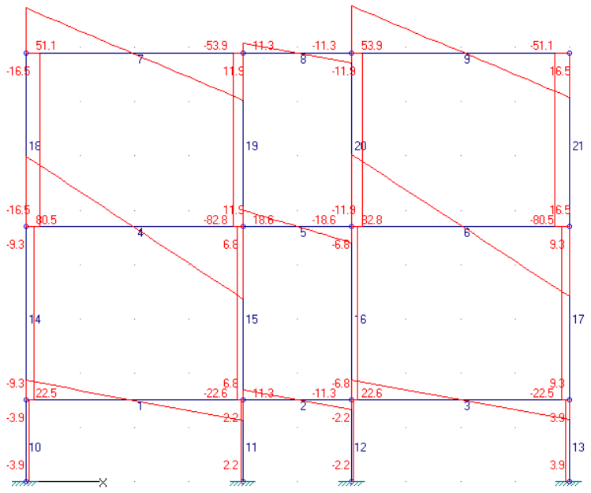
12 | 1.5082 | 1.5082 | -3.019 | -3.0181 | -3.0181 | -135.2216 | -135.2216 | 12 | 1.107 | 1.107 | -2.231 | -2.2253 | -2.2253 | -200.5006 | -200.5006
13 | -2.3281 | 4.5771 | 4.5771 | 4.6034 | 4.6034 | -97.3124 | -97.3124 | 13 | -2.0899 | 3.7283 | 3.7283 | 3.8788 | 3.8788 | -154.0603 | -154.0603
14 | 7.0067 | 7.0067 | -10.7831 | -5.5593 | -5.5593 | -78.6241 | -78.6241 | 14 | 10.7132 | 10.7132 | -19.0853 | -9.312 | -9.312 | -131.5278 | -131.5278
15 | -4.8063 | 7.4937 | 7.4937 | 3.8438 | 3.8438 | -106.8699 | -106.8699 | 15 | -7.7912 | 14.0075 | 14.0075 | 6.8121 | 6.8121 | -166.585 | -166.585
16 | 4.8063 | 4.8063 | -7.4937 | -3.8438 | -3.8438 | -106.8699 | -106.8699 | 16 | 7.7912 | 7.7912 | -14.0075 | -6.8121 | -6.8121 | -166.585 | -166.585
17 | -7.0067 | 10.7831 | 10.7831 | 5.5593 | 5.5593 | -78.6241 | -78.6241 | 17 | -10.7132 | 19.0853 | 19.0853 | 9.312 | 9.312 | -131.5278 | -131.5278
18 | 15.4453 | 15.4453 | -16.6741 | -10.0373 | -10.0373 | -33.038 | -33.038 | 18 | 26.6285 | 26.6285 | -26.2842 | -16.5352 | -16.5352 | -51.0622 | -51.0622
19 | -10.7499 | 11.2927 | 11.2927 | 6.8883 | 6.8883 | -44.474 | -44.474 | 19 | -19.4463 | 18.6334 | 18.6334 | 11.8999 | 11.8999 | -65.1522 | -65.1522
20 | 10.7499 | 10.7499 | -11.2927 | -6.8883 | -6.8883 | -44.474 | -44.474 | 20 | 19.4463 | 19.4463 | -18.6334 | -11.8999 | -11.8999 | -65.1522 | -65.1522
21 | -15.4453 | 16.6741 | 16.6741 | 10.0373 | 10.0373 | -33.038 | -33.038 | 21 | -26.6285 | 26.2842 | 26.2842 | 16.5352 | 16.5352 | -51.0622 | -51.0622

LIVE LOADS |  |  |  |  |  |  |  | BEAM SUMMARY (ALL FLOORS) |  |  |  |  | BEAM SUMMARY (DL , LL)
Member | Mz.i [KN-m] | Mz.pos [KN-m] | Mz.j [KN-m] | Fy.i [KN] | Fy.j [KN] | Fx.i [KN] | Fx.j [KN] | CASE | MAX | AT SUPPORT | AT MIDSPAN |  | TIE BEAM
1 | -0.3381 | 0 | -0.0719 | 0.0665 | 0.0665 | 2.6789 | 2.6789 | DL |  |  |  |  | LOAD | MAX | AT SUPPORT | AT MIDSPAN
2 | 0.323 | 0.323 | 0.323 | 6.69E-17 | 6.69E-17 | 0.4314 | 0.4314 |  | M (KNm) | -28.844 | 18.7038 |  | DL
3 | -0.0719 | 0 | -0.3381 | -0.0665 | -0.0665 | 2.6789 | 2.6789 |  | V (KN) | 46.8939 |  |  |  | M (KNm) | -12.0943 | 6.977
4 | -8.8999 | 6.9529 | -9.8943 | 16.1014 | -16.5986 | 1.156 | 1.156 |  | P (KN) | 135.2216 |  |  |  | V (KN) | 18.9437
5 | -2.6684 | 0 | -2.6684 | -5.76E-16 | -5.76E-16 | 0.2595 | 0.2595 | LL |  |  |  |  |  | P (KN) | 135.2216
6 | -9.8943 | 6.9529 | -8.8999 | 16.5986 | -16.1014 | 1.156 | 1.156 |  | M (KNm) | -9.8943 | 6.9529 |  | LL
7 | -3.922 | 3.0988 | -4.3804 | 7.1354 | -7.3646 | -2.8065 | -2.8065 |  | V (KN) | 16.5986 |  |  |  | M (KNm) | -0.3381 | 0.323
8 | -1.2041 | 0 | -1.2041 | -5.83E-16 | -5.83E-16 | -0.5353 | -0.5353 |  | P (KN) | 23.9632 |  |  |  | V (KN) | 0.0665
9 | -4.3804 | 3.0988 | -3.922 | 7.3646 | -7.1354 | -2.8065 | -2.8065 | 1.2DL+1.6LL |  |  |  |  |  | P (KN) | 23.8966
10 | -0.4398 | 1.1026 | 1.1026 | 1.0283 | 1.0283 | -23.3034 | -23.3034 |  | M (KNm) | -50.4436 | 33.5693 |  | 2ND-3RD FLR BEAM
11 | 0.4393 | 0.4393 | -0.8699 | -0.8728 | -0.8728 | -23.8966 | -23.8966 |  | V (KN) | 82.8304 |  |  | LOAD | MAX | AT SUPPORT | AT MIDSPAN
12 | -0.4393 | 0.8699 | 0.8699 | 0.8728 | 0.8728 | -23.8966 | -23.8966 |  | P (KN) | 200.5006 |  |  | DL
13 | 0.4398 | 0.4398 | -1.1026 | -1.0283 | -1.0283 | -23.3034 | -23.3034 |  |  |  |  |  |  | M (KNm) | -28.844 | 18.7038
14 | 1.4407 | 1.4407 | -3.841 | -1.6505 | -1.6505 | -23.2368 | -23.2368 | COLUMN SUMMARY (1.2DL+1.6LL) |  |  |  |  |  | V (KN) | 46.8939
15 | -1.2648 | 3.1344 | 3.1344 | 1.3747 | 1.3747 | -23.9632 | -23.9632 | FLOOR | INSIDE COL | OUTSIDE COL |  |  |  | P (KN) | 106.8699
16 | 1.2648 | 1.2648 | -3.1344 | -1.3747 | -1.3747 | -23.9632 | -23.9632 | FLR 1 | 166.585 | 131.5278 |  |  | LL
17 | -1.4407 | 3.841 | 3.841 | 1.6505 | 1.6505 | -23.2368 | -23.2368 | FLR 2-3 | 65.1522 | 51.0622 |  |  |  | M (KNm) | -9.8943 | 6.9529 | 1ST FLOOR
18 | 5.0588 | 5.0588 | -3.922 | -2.8065 | -2.8065 | -7.1354 | -7.1354 | COLUMN SUMMARY (DL,LL) |  |  |  |  |  | V (KN) | 16.5986 |  | 2ND FLOOR
19 | -4.0915 | 3.1763 | 3.1763 | 2.2712 | 2.2712 | -7.3646 | -7.3646 | FLOOR | INSIDE COL | OUTSIDE COL | INSIDE COL | OUTSIDE COL |  | P (KN) | 23.9632 |  | 3RD FLOOR
20 | 4.0915 | 4.0915 | -3.1763 | -2.2712 | -2.2712 | -7.3646 | -7.3646 | FLR 1 | 135.2216 | 97.3124 | 23.8966 | 23.3034
21 | -5.0588 | 3.922 | 3.922 | 2.8065 | 2.8065 | -7.1354 | -7.1354 | FLR 2-3 | 106.8699 | 78.6241 | 23.9632 | 23.2368

 | Pmax DL (all grid)
 | FLR | IN COLUMN | OUT COLUMN
 | 1 | -143.2325 | -97.3124
 | 2 | -143.2325 | -78.6241
 | 3 | -53.4917 | -33.038

 | Pmax LL (all grid)
 | FLR | IN COLUMN | OUT COLUMN
 | 1 | -26.4876 | -23.497
 | 2 | -25.9421 | -23.4804
 | 3 | -16.4444 | -13.998

 | Pmax 1.2DL+1.6LL (all grid)
 | FLR | IN COLUMN | OUT COLUMN
 | 1 | -200.5006 | -154.0603
 | 2 | -166.585 | -131.5278
 | 3 | -79.2879 | -58.0492

PRE GRASP SUMMARY 2
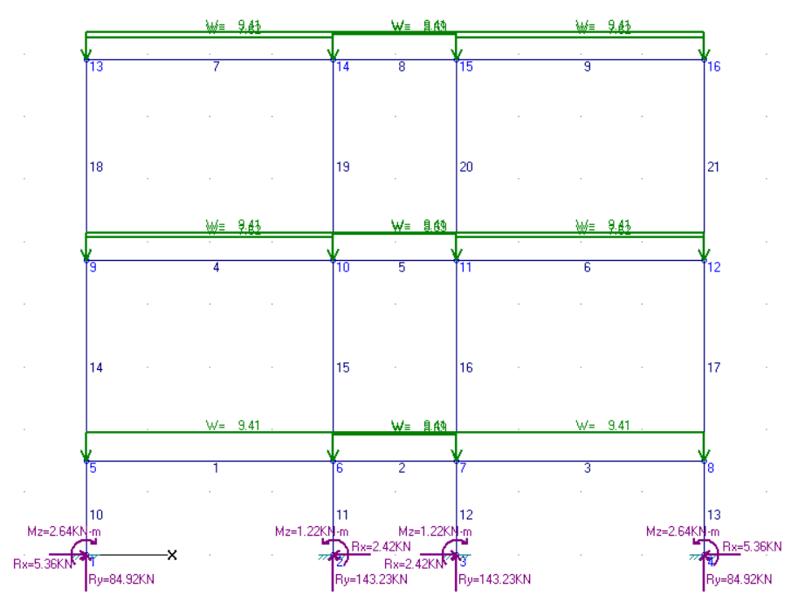
GRID 1
DEAD LOADS |  |  |  |  |  |  |  |  | BEAM SUMMARY
Member | Mz.i [KN-m] | Mz.pos [KN-m] | Mz.j [KN-m] | Fy.i [KN] | Fy.j [KN] | Fx.i [KN] | Fx.j [KN] | FLR 1
1 | -11.1693 | 7.0135 | -12.4358 | 18.4994 | -19.1326 | -1.1981 | -1.1981 |  | Mmax |  | Vmax | Pmax
2 | -6.9311 | 2.1204 | -6.9311 | 18.103 | -18.103 | -1.1516 | -1.1516 |  | support | midspan
3 | -12.4358 | 7.0135 | -11.1693 | 19.1326 | -18.4994 | -1.1981 | -1.1981 | DL | -12.4358 | 7.0135 | 19.1326 | 143.2325
4 | -19.9811 | 13.3705 | -21.3819 | 33.7018 | -34.4022 | 4.704 | 4.704 | LL | -0.4536 | 0.4964 | 1.9 | 16.0967
5 | -9.2055 | 0 | -9.2055 | 18.103 | -18.103 | 1.7592 | 1.7592 | FLR 2-3
6 | -21.3819 | 13.3705 | -19.9811 | 34.4022 | -33.7018 | 4.704 | 4.704 |  | Mmax |  | Vmax | Pmax
7 | -15.9317 | 15.4469 | -21.2785 | 32.7153 | -35.3887 | -8.865 | -8.865 |  | support | midspan
8 | -11.9183 | 0 | -11.9183 | 18.103 | -18.103 | -3.5447 | -3.5447 | DL | -21.3819 | 15.4469 | 35.3887 | 105.9969
9 | -21.2785 | 15.4469 | -15.9317 | 35.3887 | -32.7153 | -8.865 | -8.865 | LL | -4.4307 | 3.3916 | 7.5362 | 14.1771
10 | 2.64 | 2.64 | -5.3988 | -5.3592 | -5.3592 | -84.9165 | -84.9165
11 | -1.2187 | 2.4145 | 2.4145 | 2.4221 | 2.4221 | -143.2325 | -143.2325 |  | COLUMN SUMMARY
12 | 1.2187 | 1.2187 | -2.4145 | -2.4221 | -2.4221 | -143.2325 | -143.2325 | FLR 1
13 | -2.64 | 5.3988 | 5.3988 | 5.3592 | 5.3592 | -84.9165 | -84.9165 |  | Mmax | Vmax | Pmax
14 | 5.7705 | 5.7705 | -7.5448 | -4.161 | -4.161 | -66.4171 | -66.4171
15 | -3.0902 | 4.5117 | 4.5117 | 2.3756 | 2.3756 | -105.9969 | -105.9969 | DL | 5.3988 | 5.3592 | 143.2325
16 | 3.0902 | 3.0902 | -4.5117 | -2.3756 | -2.3756 | -105.9969 | -105.9969 | LL | 0.4757 | 0.4746 | 16.0967
17 | -5.7705 | 7.5448 | 7.5448 | 4.161 | 4.161 | -66.4171 | -66.4171 | FLR 2-3
18 | 12.4363 | 12.4363 | -15.9317 | -8.865 | -8.865 | -32.7153 | -32.7153 |  | Mmax | Vmax | Pmax
19 | -7.6648 | 9.3602 | 9.3603 | 5.3203 | 5.3203 | -53.4917 | -53.4917
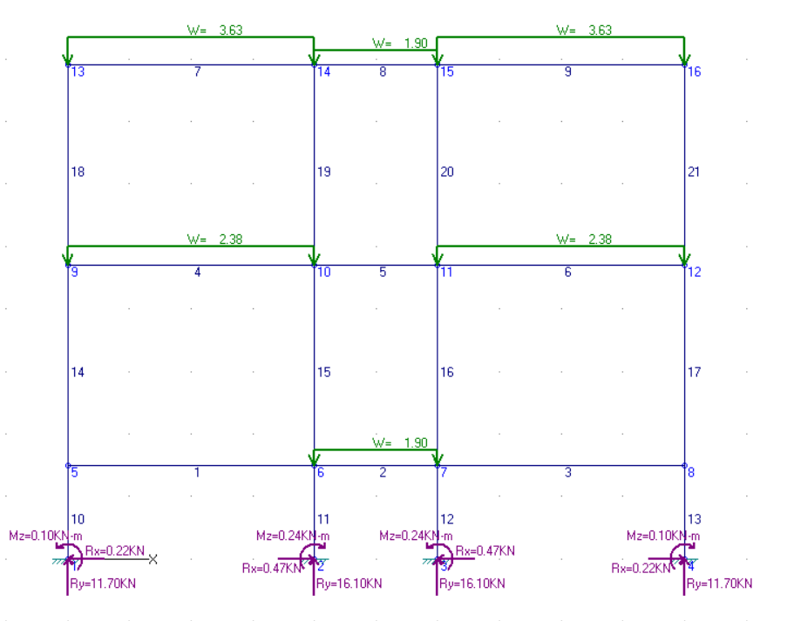
20 | 7.6648 | 7.6648 | -9.3603 | -5.3203 | -5.3203 | -53.4917 | -53.4917 | DL | 15.9317 | 8.865 | 105.9969
21 | -12.4363 | 15.9317 | 15.9317 | 8.865 | 8.865 | -32.7153 | -32.7153 | LL | 3.2861 | 1.7083 | 14.1771

LIVE LOADS |  |  |  |  |  |  |  |  | REACTION SUMMARY
Member | Mz.i [KN-m] | Mz.pos [KN-m] | Mz.j [KN-m] | Fy.i [KN] | Fy.j [KN] | Fx.i [KN] | Fx.j [KN] | Node 1
1 | -0.0316 | 0 | -0.1098 | -0.0196 | -0.0196 | 0.5279 | 0.5279 |  | Mmax | Vmax | Pmax |  |  | GRID 1
2 | -0.4536 | 0.4964 | -0.4536 | 1.9 | -1.9 | -0.1764 | -0.1764 | DL | 2.64 | 5.3592 | 84.9165 |  |  | DEAD LOAD
3 | -0.1098 | 0 | -0.0316 | 0.0196 | 0.0196 | 0.5279 | 0.5279 | LL | 0.0985 | 0.2227 | 11.7033 |  |  | Node | v | p | m
4 | -2.8899 | 1.8781 | -2.8538 | 4.759 | -4.741 | 1.4031 | 1.4031 | Node 2 |  |  |  |  |  | 1 | 5.3592 | 84.9165 | -2.64
5 | -0.5745 | 0 | -0.5745 | 4.22E-16 | 4.22E-16 | 0.3995 | 0.3995 |  | Mmax | Vmax | Pmax |  |  | 2 | -2.4221 | 143.2325 | 1.2187
6 | -2.8538 | 1.8781 | -2.8899 | 4.741 | -4.759 | 1.4031 | 1.4031 | DL | 1.2187 | 2.4221 | 143.2325 |  |  | 3 | 2.4221 | 143.2325 | -1.2187
7 | -3.2861 | 3.3916 | -4.4307 | 6.9638 | -7.5362 | -1.7083 | -1.7083 | LL | 0.2361 | 0.4746 | 16.0967 |  |  | 4 | -5.3592 | 84.9165 | 2.64
8 | -2.1598 | 0 | -2.1598 | 1.9 | -1.9 | -0.4749 | -0.4749 | Node 3 |  |  |  |  |  | LIVE LOAD
9 | -4.4307 | 3.3916 | -3.2861 | 7.5362 | -6.9638 | -1.7083 | -1.7083 |  | Mmax | Vmax | Pmax |  |  | Node | Fx [KN] | Fy [KN] | Mz [KN-m]
10 | -0.0985 | 0.2356 | 0.2356 | 0.2227 | 0.2227 | -11.7033 | -11.7033 | DL | 1.2187 | 2.4221 | 143.2325 |  |  | 1 | -0.2227 | 11.7033 | 0.0985
11 | 0.2361 | 0.2361 | -0.4757 | -0.4746 | -0.4746 | -16.0967 | -16.0967 | LL | 0.2361 | 0.4746 | 11.7033 |  |  | 2 | 0.4746 | 16.0967 | -0.2361
12 | -0.2361 | 0.4757 | 0.4757 | 0.4746 | 0.4746 | -16.0967 | -16.0967 | Node 4 |  |  |  |  |  | 3 | -0.4746 | 16.0967 | 0.2361
13 | 0.0985 | 0.0985 | -0.2356 | -0.2227 | -0.2227 | -11.7033 | -11.7033 |  | Mmax | Vmax | Pmax |  |  | 4 | 0.2227 | 11.7033 | -0.0985
14 | 0.2672 | 0.2672 | -0.7094 | -0.3052 | -0.3052 | -11.7229 | -11.7229 | DL | 2.64 | 5.3592 | 84.9165
15 | -0.1319 | 0.6033 | 0.6033 | 0.2297 | 0.2297 | -14.1771 | -14.1771 | LL | 0.0985 | 0.2227 | 11.7033
16 | 0.1319 | 0.1319 | -0.6033 | -0.2297 | -0.2297 | -14.1771 | -14.1771
17 | -0.2672 | 0.7094 | 0.7094 | 0.3052 | 0.3052 | -11.7229 | -11.7229 |  |  |  |  |  | 1ST FLOOR
18 | 2.1806 | 2.1806 | -3.2861 | -1.7083 | -1.7083 | -6.9638 | -6.9638 |  |  |  |  |  | 2ND FLOOR
19 | -1.676 | 2.271 | 2.271 | 1.2334 | 1.2334 | -9.4362 | -9.4362 |  |  |  |  |  | 3RD FLOOR
20 | 1.676 | 1.676 | -2.271 | -1.2334 | -1.2334 | -9.4362 | -9.4362
21 | -2.1806 | 3.2861 | 3.2861 | 1.7083 | 1.7083 | -6.9638 | -6.9638

GRID 2
DEAD LOADS |  |  |  |  |  |  |  |  | BEAM SUMMARY
Member | Mz.i [KN-m] | Mz.pos [KN-m] | Mz.j [KN-m] | Fy.i [KN] | Fy.j [KN] | Fx.i [KN] | Fx.j [KN] | FLR 1
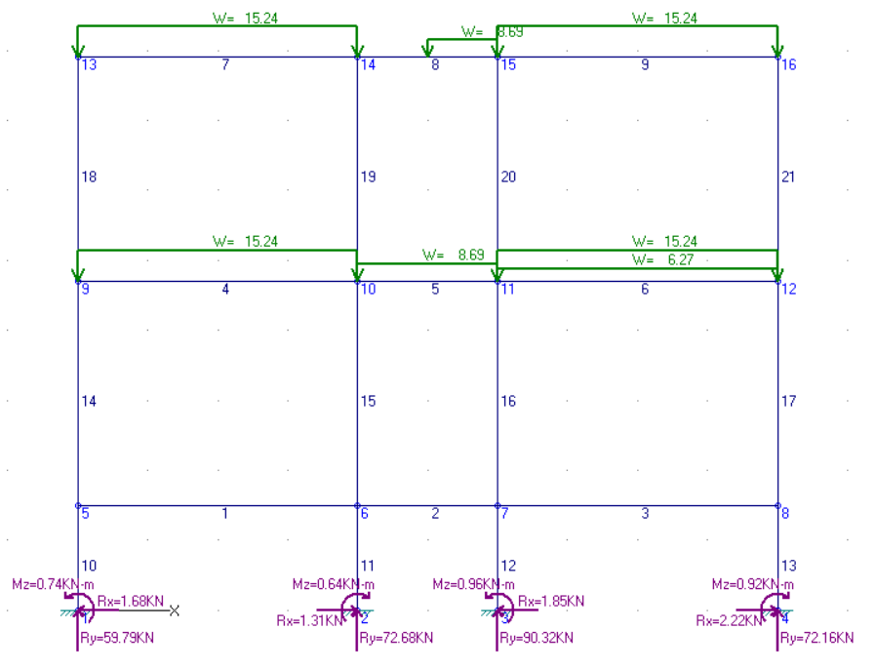
1 | -0.5745 | 0 | -0.0703 | 0.1261 | 0.1261 | 4.2395 | 4.2395 |  | Mmax |  | Vmax | Pmax
2 | 0.0784 | 1.0846 | 1.0846 | 0.5031 | 0.5031 | 1.1594 | 1.1594 |  | support | midspan
3 | -0.0135 | 0 | -0.8712 | -0.2144 | -0.2144 | 6.045 | 6.045 | DL | -0.5745 | 1.0846 | 0.5031 | 90.3193
4 | -17.58 | 12.3218 | -18.7204 | 30.1869 | -30.7571 | 5.6241 | 5.6241 | LL | -0.1903 | 0.3892 | 1.4844 | 26.4876
5 | -6.0174 | 0 | -9.1426 | 7.1324 | -10.2576 | 1.6002 | 1.6002 | FLR 2-3
6 | -26.8796 | 17.7089 | -23.7345 | 43.8023 | -42.2297 | 5.5266 | 5.5266 |  | Mmax |  | Vmax | Pmax
7 | -14.465 | 14.0226 | -18.4338 | 29.4798 | -31.4642 | -8.1863 | -8.1863 |  | support | midspan
8 | -8.4042 | 0 | -6.858 | 2.9469 | -5.7481 | -2.3922 | -2.3922 | DL | -26.8796 | 17.7089 | 43.8023 | 91.0369
9 | -18.1703 | 13.8155 | -15.1427 | 31.2289 | -29.7151 | -9.3509 | -9.3509 | LL | -8.6337 | 6.8822 | 15.0056 | 25.9421
10 | -0.7401 | 1.7757 | 1.7757 | 1.6772 | 1.6772 | -59.7928 | -59.7928
11 | 0.6403 | 0.6403 | -1.3244 | -1.3098 | -1.3098 | -72.6777 | -72.6777 |  | COLUMN SUMMARY
12 | -0.9567 | 1.8233 | 1.8233 | 1.8533 | 1.8533 | -90.3193 | -90.3193 | FLR 1
13 | 0.9191 | 0.9191 | -2.4119 | -2.2207 | -2.2207 | -72.1593 | -72.1593 |  | Mmax | Vmax | Pmax
14 | 2.3503 | 2.3503 | -5.8489 | -2.5622 | -2.5622 | -59.6667 | -59.6667
15 | -1.473 | 4.1916 | 4.1916 | 1.7702 | 1.7702 | -72.3006 | -72.3006 | DL | 1.8233 | 2.2207 | 90.3193
16 | 2.9214 | 2.9214 | -6.7818 | -3.0323 | -3.0323 | -91.0369 | -91.0369 | LL | 0.4697 | 0.5114 | 26.4876
17 | -3.2832 | 8.9545 | 8.9545 | 3.8243 | 3.8243 | -71.9448 | -71.9448 | FLR 2-3
18 | 11.7312 | 11.7312 | -14.465 | -8.1863 | -8.1863 | -29.4798 | -29.4798 |  | Mmax | Vmax | Pmax
19 | -8.5114 | 10.0296 | 10.0296 | 5.7941 | 5.7941 | -34.4111 | -34.4111
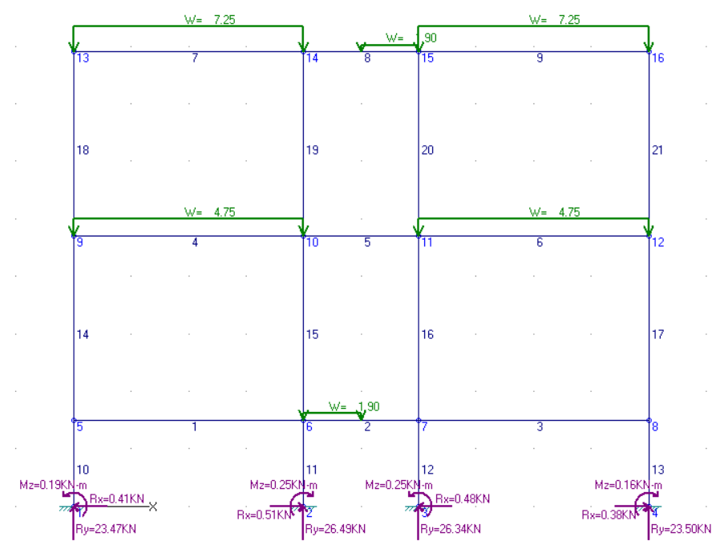
20 | 10.9552 | 10.9552 | -11.3123 | -6.9586 | -6.9586 | -36.977 | -36.977 | DL | 15.1427 | 9.3509 | 91.0369
21 | -14.78 | 15.1427 | 15.1427 | 9.3509 | 9.3509 | -29.7151 | -29.7151 | LL | 6.6115 | 3.4267 | 25.9421

LIVE LOADS |  |  |  |  |  |  |  |  | REACTION SUMMARY
Member | Mz.i [KN-m] | Mz.pos [KN-m] | Mz.j [KN-m] | Fy.i [KN] | Fy.j [KN] | Fx.i [KN] | Fx.j [KN] | Node 1
1 | -0.0933 | 0 | -0.1005 | -0.0018 | -0.0018 | 1.0086 | 1.0086 |  | Mmax | Vmax | Pmax |  |  | GRID 2
2 | -0.1903 | 0.3892 | -0.0715 | 1.4844 | -0.4156 | -0.0227 | -0.0227 | DL | 0.7401 | 1.6772 | 59.7928 |  |  | DEAD LOAD
3 | -0.0574 | 0 | -0.1235 | -0.0165 | -0.0165 | 0.9856 | 0.9856 | LL | 0.1891 | 0.4147 | 23.4743 |  |  | Node | v | p | m
4 | -5.726 | 3.7302 | -5.8135 | 9.4781 | -9.5219 | 2.8328 | 2.8328 | Node 2 |  |  |  |  |  | 1 | -1.6772 | 59.7928 | 0.7401
5 | -1.1017 | 0 | -1.0691 | 1.63E-02 | 1.63E-02 | 0.7252 | 0.7252 |  | Mmax | Vmax | Pmax |  |  | 2 | 1.3098 | 72.6777 | -0.6403
6 | -5.7954 | 3.7326 | -5.7394 | 9.514 | -9.486 | 2.8196 | 2.8196 | DL | 0.6403 | 1.3098 | 72.6777 |  |  | 3 | -1.8533 | 90.3193 | 0.9567
7 | -6.6138 | 6.8822 | -8.6217 | 13.998 | -15.002 | -3.4267 | -3.4267 | LL | 0.2471 | 0.5114 | 26.4876 |  |  | 4 | 2.2207 | 72.1593 | -0.9191
8 | -3.6922 | 0 | -3.7198 | 0.4612 | -1.4388 | -0.7992 | -0.7992 | Node 3 |  |  |  |  |  | LIVE LOAD
9 | -8.6337 | 6.8774 | -6.6115 | 15.0056 | -13.9944 | -3.4239 | -3.4239 |  | Mmax | Vmax | Pmax |  |  | Node | Fx [KN] | Fy [KN] | Mz [KN-m]
10 | -0.1891 | 0.433 | 0.433 | 0.4147 | 0.4147 | -23.4743 | -23.4743 | DL | 0.9567 | 1.8533 | 90.3193 |  |  | 1 | -0.4147 | 23.4743 | 0.1891
11 | 0.2471 | 0.2471 | -0.52 | -0.5114 | -0.5114 | -26.4876 | -26.4876 | LL | 0.2473 | 0.478 | 23.497 |  |  | 2 | 0.5114 | 26.4876 | -0.2471
12 | -0.2473 | 0.4697 | 0.4697 | 0.478 | 0.478 | -26.3411 | -26.3411 | Node 4 |  |  |  |  |  | 3 | -0.478 | 26.3411 | 0.2473
13 | 0.1561 | 0.1561 | -0.4159 | -0.3813 | -0.3813 | -23.497 | -23.497 |  | Mmax | Vmax | Pmax |  |  | 4 | 0.3813 | 23.497 | -0.1561
14 | 0.5263 | 0.5263 | -1.3743 | -0.5939 | -0.5939 | -23.4761 | -23.4761 | DL | 0.9191 | 2.2207 | 72.1593
15 | -0.4302 | 1.2334 | 1.2334 | 0.5199 | 0.5199 | -25.0014 | -25.0014 | LL | 0.1561 | 0.3813 | 23.497
16 | 0.4556 | 0.4556 | -1.2413 | -0.5303 | -0.5303 | -25.9421 | -25.9421
17 | -0.5394 | 1.3945 | 1.3945 | 0.6043 | 0.6043 | -23.4804 | -23.4804 |  |  |  |  |  | 1ST FLOOR
18 | 4.3516 | 4.3516 | -6.6138 | -3.4267 | -3.4267 | -13.998 | -13.998 |  |  |  |  |  | 2ND FLOOR
19 | -3.4785 | 4.9295 | 4.9295 | 2.6275 | 2.6275 | -15.4632 | -15.4632 |  |  |  |  |  | 3RD FLOOR
20 | 3.485 | 3.485 | -4.9139 | -2.6247 | -2.6247 | -16.4444 | -16.4444
21 | -4.345 | 6.6115 | 6.6115 | 3.4239 | 3.4239 | -13.9944 | -13.9944

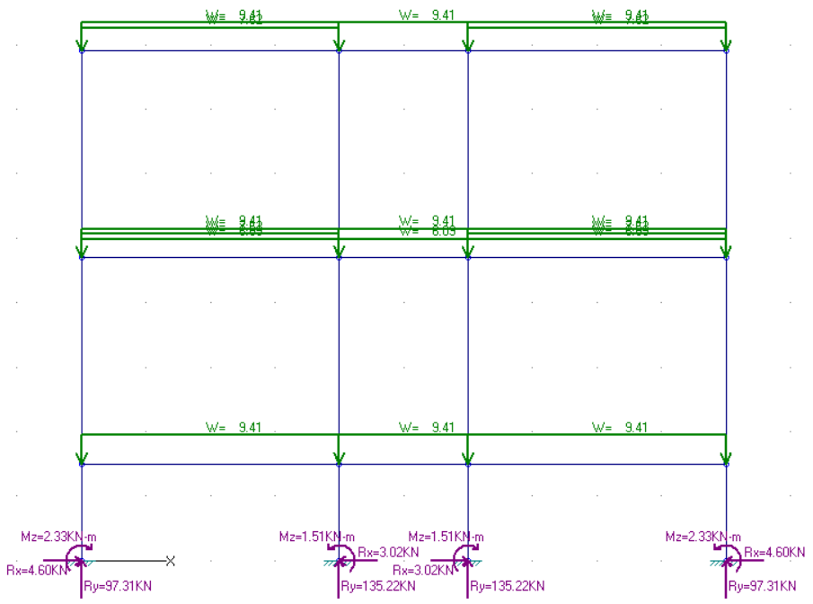
GRID 3
DEAD LOADS |  |  |  |  |  |  |  |  | BEAM SUMMARY
Member | Mz.i [KN-m] | Mz.pos [KN-m] | Mz.j [KN-m] | Fy.i [KN] | Fy.j [KN] | Fx.i [KN] | Fx.j [KN] | FLR 1
1 | -11.5837 | 6.977 | -12.0943 | 18.6883 | -18.9437 | 0.9559 | 0.9559 |  | Mmax |  | Vmax | Pmax
2 | -4.2691 | 0.4349 | -4.2691 | 9.408 | -9.408 | 0.1302 | 0.1302 |  | support | midspan
3 | -12.0943 | 6.977 | -11.5837 | 18.9437 | -18.6883 | 0.9559 | 0.9559 | DL | -12.0943 | 6.977 | 18.9437 | 135.2216
4 | -26.2284 | 18.7038 | -28.844 | 45.5861 | -46.8939 | 4.478 | 4.478 | LL | -0.3381 | 0.323 | 0.0665 | 23.8966
5 | -10.6004 | 0 | -10.6004 | 15.502 | -15.502 | 1.4335 | 1.4335 | FLR 2-3
6 | -28.844 | 18.7038 | -26.2284 | 46.8939 | -45.5861 | 4.478 | 4.478 |  | Mmax |  | Vmax | Pmax
7 | -16.6741 | 15.3498 | -20.7302 | 33.038 | -35.066 | -10.0373 | -10.0373 |  | support | midspan
8 | -9.4375 | 0 | -9.4375 | 9.408 | -9.408 | -3.149 | -3.149 | DL | -28.844 | 18.7038 | 46.8939 | 106.8699
9 | -20.7302 | 15.3498 | -16.6741 | 35.066 | -33.038 | -10.0373 | -10.0373 | LL | -9.8943 | 6.9529 | 16.5986 | 23.9632
10 | 2.3281 | 2.3281 | -4.5771 | -4.6034 | -4.6034 | -97.3124 | -97.3124
11 | -1.5082 | 3.019 | 3.019 | 3.0181 | 3.0181 | -135.2216 | -135.2216 |  | COLUMN SUMMARY
12 | 1.5082 | 1.5082 | -3.019 | -3.0181 | -3.0181 | -135.2216 | -135.2216 | FLR 1
13 | -2.3281 | 4.5771 | 4.5771 | 4.6034 | 4.6034 | -97.3124 | -97.3124 |  | Mmax | Vmax | Pmax
14 | 7.0067 | 7.0067 | -10.7831 | -5.5593 | -5.5593 | -78.6241 | -78.6241
15 | -4.8063 | 7.4937 | 7.4937 | 3.8438 | 3.8438 | -106.8699 | -106.8699 | DL | 4.5771 | 4.6034 | 135.2216
16 | 4.8063 | 4.8063 | -7.4937 | -3.8438 | -3.8438 | -106.8699 | -106.8699 | LL | 1.1026 | 1.0283 | 23.8966
17 | -7.0067 | 10.7831 | 10.7831 | 5.5593 | 5.5593 | -78.6241 | -78.6241 | FLR 2-3
18 | 15.4453 | 15.4453 | -16.6741 | -10.0373 | -10.0373 | -33.038 | -33.038 |  | Mmax | Vmax | Pmax
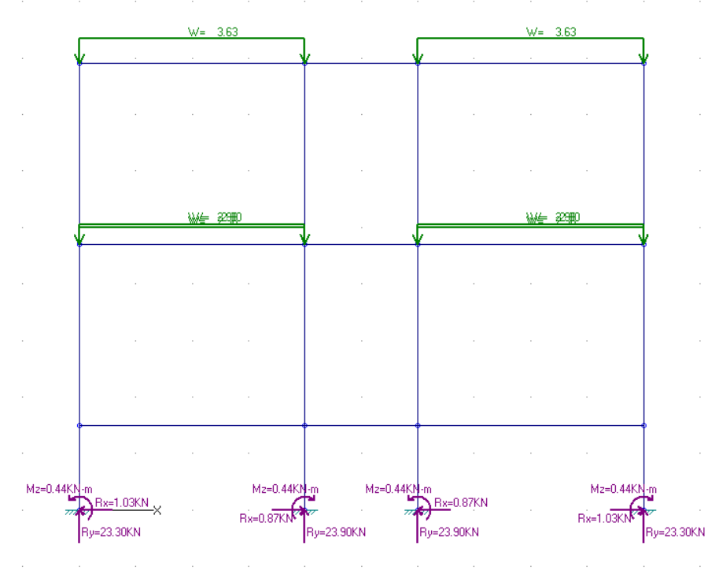
19 | -10.7499 | 11.2927 | 11.2927 | 6.8883 | 6.8883 | -44.474 | -44.474
20 | 10.7499 | 10.7499 | -11.2927 | -6.8883 | -6.8883 | -44.474 | -44.474 | DL | 16.6741 | 10.0373 | 106.8699
21 | -15.4453 | 16.6741 | 16.6741 | 10.0373 | 10.0373 | -33.038 | -33.038 | LL | 5.0588 | 2.8065 | 23.9632

LIVE LOADS |  |  |  |  |  |  |  |  | REACTION SUMMARY
Member | Mz.i [KN-m] | Mz.pos [KN-m] | Mz.j [KN-m] | Fy.i [KN] | Fy.j [KN] | Fx.i [KN] | Fx.j [KN] | Node 1 |  |  |  |  |  | GRID 3
1 | -0.3381 | 0 | -0.0719 | 0.0665 | 0.0665 | 2.6789 | 2.6789 |  | Mmax | Vmax | Pmax |  |  | DEAD LOAD
2 | 0.323 | 0.323 | 0.323 | 6.69E-17 | 6.69E-17 | 0.4314 | 0.4314 | DL | 2.3281 | 4.6034 | 97.3124 |  |  | Node | v | p | m
3 | -0.0719 | 0 | -0.3381 | -0.0665 | -0.0665 | 2.6789 | 2.6789 | LL | 0.4398 | 1.0283 | 23.3034 |  |  | 1 | 4.6034 | 97.3124 | -2.3281
4 | -8.8999 | 6.9529 | -9.8943 | 16.1014 | -16.5986 | 1.156 | 1.156 | Node 2 |  |  |  |  |  | 2 | -3.0181 | 135.2216 | 1.5082
5 | -2.6684 | 0 | -2.6684 | -5.76E-16 | -5.76E-16 | 0.2595 | 0.2595 |  | Mmax | Vmax | Pmax |  |  | 3 | 3.0181 | 135.2216 | -1.5082
6 | -9.8943 | 6.9529 | -8.8999 | 16.5986 | -16.1014 | 1.156 | 1.156 | DL | 1.5082 | 3.0181 | 135.2216 |  |  | 4 | -4.6034 | 97.3124 | 2.3281
7 | -3.922 | 3.0988 | -4.3804 | 7.1354 | -7.3646 | -2.8065 | -2.8065 | LL | 0.4393 | 0.8728 | 23.8966 |  |  | LIVE LOAD
8 | -1.2041 | 0 | -1.2041 | -5.83E-16 | -5.83E-16 | -0.5353 | -0.5353 | Node 3 |  |  |  |  |  | Node | Fx [KN] | Fy [KN] | Mz [KN-m]
9 | -4.3804 | 3.0988 | -3.922 | 7.3646 | -7.1354 | -2.8065 | -2.8065 |  | Mmax | Vmax | Pmax |  |  | 1 | -1.0283 | 23.3034 | 0.4398
10 | -0.4398 | 1.1026 | 1.1026 | 1.0283 | 1.0283 | -23.3034 | -23.3034 | DL | 1.5082 | 3.0181 | 135.2216 |  |  | 2 | 0.8728 | 23.8966 | -0.4393
11 | 0.4393 | 0.4393 | -0.8699 | -0.8728 | -0.8728 | -23.8966 | -23.8966 | LL | 0.4393 | 0.8728 | 23.3034 |  |  | 3 | -0.8728 | 23.8966 | 0.4393
12 | -0.4393 | 0.8699 | 0.8699 | 0.8728 | 0.8728 | -23.8966 | -23.8966 | Node 4 |  |  |  |  |  | 4 | 1.0283 | 23.3034 | -0.4398
13 | 0.4398 | 0.4398 | -1.1026 | -1.0283 | -1.0283 | -23.3034 | -23.3034 |  | Mmax | Vmax | Pmax
14 | 1.4407 | 1.4407 | -3.841 | -1.6505 | -1.6505 | -23.2368 | -23.2368 | DL | 2.3281 | 4.6034 | 97.3124
15 | -1.2648 | 3.1344 | 3.1344 | 1.3747 | 1.3747 | -23.9632 | -23.9632 | LL | 0.4398 | 1.0283 | 23.3034
16 | 1.2648 | 1.2648 | -3.1344 | -1.3747 | -1.3747 | -23.9632 | -23.9632
17 | -1.4407 | 3.841 | 3.841 | 1.6505 | 1.6505 | -23.2368 | -23.2368 |  |  |  |  |  | 1ST FLOOR
18 | 5.0588 | 5.0588 | -3.922 | -2.8065 | -2.8065 | -7.1354 | -7.1354 |  |  |  |  |  | 2ND FLOOR
19 | -4.0915 | 3.1763 | 3.1763 | 2.2712 | 2.2712 | -7.3646 | -7.3646 |  |  |  |  |  | 3RD FLOOR
20 | 4.0915 | 4.0915 | -3.1763 | -2.2712 | -2.2712 | -7.3646 | -7.3646
21 | -5.0588 | 3.922 | 3.922 | 2.8065 | 2.8065 | -7.1354 | -7.1354

 | Pmax DL (all grid)
 | FLR | IN COLUMN | OUT COLUMN
 | 1 | -143.2325 | -97.3124
 | 2 | -143.2325 | -78.6241
 | 3 | -53.4917 | -33.038

 | Pmax LL (all grid)
 | FLR | IN COLUMN | OUT COLUMN
 | 1 | -26.4876 | -23.497
 | 2 | -25.9421 | -23.4804
 | 3 | -16.4444 | -13.998

STAIR
STAIRCASE DESIGN (SINGLE FLIGHT)
MATERIAL PROPERTIES |  |  |  |  | STAIR DIMENSION
f'c | 20.7 | Mpa |  |  | Hf | 1500 | mm | width | 1000 | mm
fy | 276 | MPa |  |  | Lf | 1600 | mm
db | 10 | mm |  |  | steps | 8
dtr | 10 | mm |  |  | L | 2500 | mm
clear cover | 20 | mm |  |  | rise | 188 | mm
β | 0.85 |  |  |  | tread | 200 | mm
SLAB THICKNESS (Simply supported)
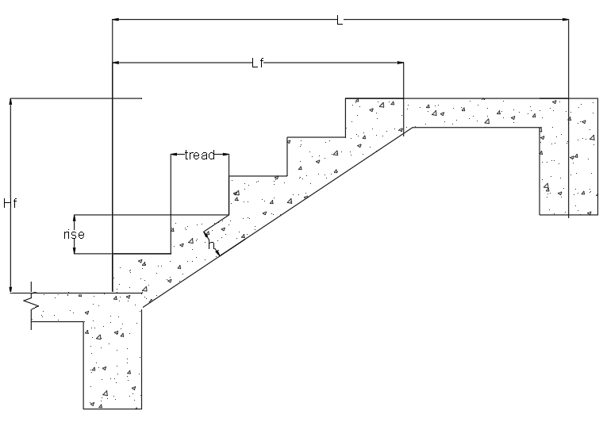
fy factor | 0.794
thickness h | 99.286 | say | 100 | mm
effective depth d | 74.285714286 | mm
LOAD ANALYSIS
FACTORED DEAD LOAD | Kpa | KN/m
self weight | -- | 6.648
floor finish | 3.24 | 3.888
ceiling | 0.5 | 0.6
(add if necessary)
WuDL |  | 11.136

FACTORED LIVE LOAD
floor live load | 1.9 | 3.040
WuLL |  | 3.040

TOTAL FACTORED LOAD
Wu |  | 14.176
SPACING OF BARS AT MIDSPAN
MAIN BARS
Mu | 6.328 | KNm
Rn | 1.27 | KN
ρmin | 0.0050724637681
ρmax | 0.0203203125
ρ | 0.00480 | use | 0.00507
As | 376.8115942 | mm^2

S1 | 300 | mm
S2 | 450 | mm
S | 208.43258952 | mm
Sdb | 205 | mm | USE 10mm MAIN BARS AT 205mm O.C. AT MIDSPAN

TEMPERATURE BARS
At | 200 | mm^2

S1 | 500 | mm
S2 | 450 | mm
S | 392.6990817 | mm
Str | 390 | mm | USE 10mm MAIN BARS AT 390mm O.C. AT MIDSPAN
SPACING OF BARS AT SUPPORT
MAIN BARS
Mu | 9.844 | KNm
Rn | 1.98 | KN
ρmin | 0.0050724637681
ρmax | 0.0203203125
ρ | 0.00764 | use | 0.00764
As | 567.49069473 | mm^2

S1 | 300 | mm
S2 | 450 | mm
S | 138.39842145 | mm
Sdb | 135 | mm | USE 10mm MAIN BARS AT 135mm O.C. AT SUPPORT

TEMPERATURE BARS
At | 200 | mm^2

S1 | 500 | mm
S2 | 450 | mm
S | 392.6990817 | mm
Str | 390 | mm | USE 10mm MAIN BARS AT 390mm O.C ATSUPPORT
POST ANALYSIS
Volstep | 0.21931712199 | cu.m
Volslab | 0.15 | cu.m
Volstair | 0.36931712199 | cu.m
Wstair along width | 8.6952023202 | KN/m | TRANSFER TO SUPPORT
Wstair along length | 5.4345014502 | KN/m

SLAB
DESIGN OF ONE-WAY SLAB (S1) - 2ND FLR |  |  |  |  |  |  |  |  |  | DESIGN OF ONE-WAY SLAB (S2) - 2ND FLR |  |  |  |  |  |  |  |  |  | DESIGN OF ONE-WAY SLAB (S3) - 2ND FLR |  |  |  |  |  |  |  |  |  | DESIGN OF ONE-WAY SLAB (S4) - 2ND FLR
DESIGN PARAMETERS |  |  |  |  |  |  |  |  |  | DESIGN PARAMETERS |  |  |  |  |  |  |  |  |  | DESIGN PARAMETERS |  |  |  |  |  |  |  |  |  | DESIGN PARAMETERS
f'c = |  | 20.7 | Mpa |  | Effective depth of the stair slab considering 1 meter strip: |  |  |  |  | f'c = |  | 20.7 | Mpa |  |  |  |  |  |  | f'c = |  | 20.7 | Mpa |  |  |  |  |  |  | f'c = |  | 20.7 | Mpa
fy = |  | 276 | MPa |  | b (1m strip) = |  | 1000 | mm |  | fy = |  | 276 | MPa |  | b (1m strip) = |  | 1000 | mm |  | fy = |  | 276 | MPa |  | b (1m strip) = |  | 1000 | mm |  | fy = |  | 276 | MPa |  | b (1m strip) = |  | 1000 | mm
Steel covering = |  | 20 | mm |  |  | Wl = | 1.9 | Pa |  | Steel covering = |  | 20 | mm |  |  | Wl = | 1.9 | Pa |  | Steel covering = |  | 20 | mm |  |  | Wl = | 2.9 | Pa |  | Steel covering = |  | 20 | mm |  |  | Wl = | 2.9 | Pa
γconcrete = |  | 23.5 | KN/m3 |  |  | Wd = | 4040 | Pa |  | γconcrete = |  | 23.5 | KN/m3 |  |  | Wd = | 4040 | Pa |  | γconcrete = |  | 23.5 | KN/m3 |  |  | Wd = | 4040 | Pa |  | γconcrete = |  | 23.5 | KN/m3 |  |  | Wd = | 4040 | Pa
Uniform Live Load |  | 1.9 | Pa |  | Length 1 = |  | 2.5 | m |  | Uniform Live Load |  | 1.9 | Pa |  | Length 1 = |  | 2.5 | m |  | Uniform Live Load |  | 2.9 | Pa |  | Length 1 = |  | 1 | m |  | Uniform Live Load |  | 2.9 | Pa |  | Length 1 = |  | 1 | m
 |  |  |  |  | Length 2 = |  | 4 | m |  |  |  |  |  |  | Length 2 = |  | 2 | m |  |  |  |  |  |  | Length 2 = |  | 4 | m |  |  |  |  |  |  | Length 2 = |  | 2 | m
Service Load |  |  |  |  |  |  |  |  |  | Service Load |  |  |  |  |  |  |  |  |  | Service Load |  |  |  |  |  |  |  |  |  | Service Load
Concrete Topping |  |  | 600 | Pa | Minimum slab thickness: |  |  |  |  | Concrete Topping |  |  | 600 | Pa | Minimum slab thickness: |  |  |  |  | Concrete Topping |  |  | 600 | Pa | Minimum slab thickness: |  |  |  |  | Concrete Topping |  |  | 600 | Pa | Minimum slab thickness:
$\frac{L}{24}$( 0.4 +$\frac{fy}{700}$)
$\frac{L}{28}$( 0.4 +$\frac{fy}{700}$)
$\frac{L}{10}$( 0.4 +$\frac{fy}{700}$)
$\frac{L}{10}$( 0.4 +$\frac{fy}{700}$)
Floor Finish |  |  | 50 | Pa | h = |  |  |  |  | Floor Finish |  |  | 50 | Pa | h = |  |  |  |  | Floor Finish |  |  | 50 | Pa | h = |  |  |  |  | Floor Finish |  |  | 50 | Pa | h =
Weight of Mortar & Tile |  |  | 1500 | Pa |  |  |  |  |  | Weight of Mortar & Tile |  |  | 1500 | Pa |  |  |  |  |  | Weight of Mortar & Tile |  |  | 1500 | Pa |  |  |  |  |  | Weight of Mortar & Tile |  |  | 1500 | Pa
Ceiling |  |  | 150 | Pa | h = | 82.738095238 | mm |  |  | Ceiling |  |  | 150 | Pa | h = | 70.918367347 | mm |  |  | Ceiling |  |  | 150 | Pa | h = | 79.428571429 | mm |  |  | Ceiling |  |  | 150 | Pa | h = | 79.428571429 | mm
Utilities |  |  | 240 | Pa | say, h= | 100 | mm |  |  | Utilities |  |  | 240 | Pa | say, h= | 100 | mm |  |  | Utilities |  |  | 240 | Pa | say, h= | 100 | mm |  |  | Utilities |  |  | 240 | Pa | say, h= | 100 | mm
Wt. of Electric fix & Plumbing |  |  | 1500 | Pa |  |  |  |  |  | Wt. of Electric fix & Plumbing |  |  | 1500 | Pa |  |  |  |  |  | Wt. of Electric fix & Plumbing |  |  | 1500 | Pa |  |  |  |  |  | Wt. of Electric fix & Plumbing |  |  | 1500 | Pa
 |  |  |  |  | Effective depth, d |  |  |  |  |  |  |  |  |  | Effective depth, d |  |  |  |  |  |  |  |  |  | Effective depth, d |  |  |  |  |  |  |  |  |  | Effective depth, d
 |  |  |  |  | d = | hmin-steel covering-1/2(Øb) |  | 74 | mm |  |  |  |  |  | d = | hmin-steel covering-1/2(Øb) |  | 74 | mm |  |  |  |  |  | d = | hmin-steel covering-1/2(Øb) |  | 74 | mm |  |  |  |  |  | d = | hmin-steel covering-1/2(Øb) |  | 74 | mm
Wd = | hmin*23.5 |  | 2.35 | KPa |  |  |  |  |  | Wd = | hmin*23.5 |  | 2.35 | KPa |  |  |  |  |  | Wd = | hmin*23.5 |  | 2.35 | KPa |  |  |  |  |  | Wd = | hmin*23.5 |  | 2.35 | KPa
Wdtotal = | 2.9375+3.640 |  | 6.39 | KPa |  |  |  |  |  | Wdtotal = | 2.9375+3.640 |  | 6.39 | KPa |  |  |  |  |  | Wdtotal = | 2.9375+3.640 |  | 6.39 | KPa |  |  |  |  |  | Wdtotal = | 2.9375+3.640 |  | 6.39 | KPa
Wu = | 1.2WDL +1.6WLL |  | 7.67104 | KPa |  |  |  |  |  | Wu = | 1.2WDL +1.6WLL |  | 7.67104 | KPa |  |  |  |  |  | Wu = | 1.2WDL +1.6WLL |  | 7.67264 | KPa |  |  |  |  |  | Wu = | 1.2WDL +1.6WLL |  | 7.67264 | KPa
Wt. total of slab= |  | 7.67104 | kN/m |  |  |  |  |  |  | Wt. total of slab= |  | 7.67104 | kN/m |  |  |  |  |  |  | Wt. total of slab= |  | 7.67264 | kN/m |  |  |  |  |  |  | Wt. total of slab= |  | 7.67264 | kN/m
REINFORCEMENT DETAILS |  |  |  |  |  |  |  |  |  | REINFORCEMENT DETAILS |  |  |  |  |  |  |  |  |  | REINFORCEMENT DETAILS |  |  |  |  |  |  |  |  |  | REINFORCEMENT DETAILS
At Midspan |  |  |  |  | At Support |  |  |  |  | At Midspan |  |  |  |  | At Support |  |  |  |  | At Support |  |  |  |  |  | For Temperature Bars |  | use | (10mm Ø) | At Support |  |  |  |  |  | For Temperature Bars |  | use | (10mm Ø)
$$\frac{W_{u}L^{2}}{14}$$
$$\frac{W_{u}L^{2}}{10}$$
$$\frac{W_{u}L^{2}}{14}$$
$$\frac{W_{u}L^{2}}{10}$$
$$\frac{W_{u}L^{2}}{2}$$
$$\frac{W_{u}L^{2}}{2}$$
Mu = |  | 3.4245714286 |  |  | Mu = |  |  |  |  | Mu = |  | 3.4245714286 |  |  | Mu = |  |  |  |  |  | Mu = |  |  |  |  |  | ρt = | 0.002 |  |  | Mu = |  |  |  |  |  | ρt = | 0.002
 |  |  |  |  |  |  |  |  |  |  |  |  |  |  |  |  |  |  |  |  |  |  |  |  |  |  | At = | ρtbh |  |  |  |  |  |  |  |  | At = | ρtbh
$$ØRubd^{2}$$
$$ØRubd^{2}$$
Mu = |  |  |  |  | Mu = | 4.7944 |  |  |  | Mu = |  |  |  |  | Mu = | 4.7944 |  |  |  |  | Mu = | 3.83632 |  |  |  |  | At = | 200 |  |  | Mu = | 3.83632 |  |  |  |  | At = | 200
$$ØRubd^{2}$$
$$ØRubd^{2}$$
$$ØRubd^{2}$$
$$ØRubd^{2}$$
Ru = | 0.6949 |  |  |  | Mu = |  |  |  |  | Ru = | 0.6949 |  |  |  | Mu = |  |  |  |  |  | Mu = |  |  |  |  |  | Ab = | 78.53981635 |  |  | Mu = |  |  |  |  |  | Ab = | 78.53981635
 |  |  |  |  | Ru = | 0.97281064849 |  |  |  |  |  |  |  |  | Ru = | 0.97281064849 |  |  |  |  | Ru = | 0.77841084328 |  |  |  |  | Spacing, S |  |  |  | Ru = | 0.77841084328 |  |  |  |  | Spacing, S
$\frac{0.85f^{′}c}{fy}$(1$−\sqrt{1−\frac{2Ru}{0.85f^{′}c} }$)
$\frac{0.85f^{′}c}{fy}$(1$−\sqrt{1−\frac{2Ru}{0.85f^{′}c} }$)
ρ = |  |  |  |  |  |  |  |  |  | ρ = |  |  |  |  |  |  |  |  |  |  |  |  |  |  |  |  | S = | 392.69908175 |  |  |  |  |  |  |  |  | S = | 392.69908175
$\frac{0.85f^{′}c}{fy}$(1$−\sqrt{1−\frac{2Ru}{0.85f^{′}c} }$)
$\frac{0.85f^{′}c}{fy}$(1$−\sqrt{1−\frac{2Ru}{0.85f^{′}c} }$)
$\frac{0.85f^{′}c}{fy}$(1$−\sqrt{1−\frac{2Ru}{0.85f^{′}c} }$)
$\frac{0.85f^{′}c}{fy}$(1$−\sqrt{1−\frac{2Ru}{0.85f^{′}c} }$)
 |  |  |  |  |  |  |  |  |  |  |  |  |  |  |  |  |  |  |  |  |  |  |  |  |  |  | say, S = | 350 | mm |  |  |  |  |  |  |  | say, S = | 390 | mm
= | 0.0026 |  |  |  | ρ = |  |  |  |  | = | 0.0026 |  |  |  | ρ = |  |  |  |  |  | ρ = |  |  |  |  |  |  |  |  |  | ρ =
$\frac{.003+(\frac{fy}{200000})}{.008}$($\frac{0.85f^{′}cB(600)}{fy(600+fy)}$)
$\frac{.003+(\frac{fy}{200000})}{.008}$($\frac{0.85f^{′}cB(600)}{fy(600+fy)}$)
for ρmin |  | for ρmax |  |  | = | 0.0036 |  |  |  | for ρmin |  | for ρmax |  |  | = | 0.0036 |  |  |  |  | = | 0.0029 |  |  |  | Maximum Spacing of the Code: |  |  |  |  | = | 0.0029 |  |  |  | Maximum Spacing of the Code:
ρ min = | 1.4/fy | ρ max = |  |  | for ρmin |  |  |  |  | ρ min = | 1.4/fy | ρ max = |  |  | for ρmin |  |  |  |  |  | for ρmin |  |  |  |  |  |  |  |  |  | for ρmin
$\frac{.003+(\frac{fy}{200000})}{.008}$($\frac{0.85f^{′}cB(600)}{fy(600+fy)}$)
$\frac{.003+(\frac{fy}{200000})}{.008}$($\frac{0.85f^{′}cB(600)}{fy(600+fy)}$)
ρ min = | 0.0051 |  |  |  | ρ min = |  | for ρmax |  |  | ρ min = | 0.0051 |  |  |  | ρ min = |  | for ρmax |  |  |  | ρ min = |  | for ρmax |  |  |  | a.) 5h | 500 |  |  | ρ min = |  | for ρmax |  |  |  | a.) 5h | 500
$\frac{.003+(\frac{fy}{200000})}{.008}$($\frac{0.85f^{′}cB(600)}{fy(600+fy)}$)
$\frac{.003+(\frac{fy}{200000})}{.008}$($\frac{0.85f^{′}cB(600)}{fy(600+fy)}$)
use ρ = | 0.0051 | ρ max = | 0.0203203125 |  | use ρ = | 0.0050724637681 | ρ max = |  |  | use ρ = | 0.0051 | ρ max = | 0.0203203125 |  | use ρ = | 0.0050724637681 | ρ max = |  |  |  | use ρ = | 0.0050724637681 | ρ max = |  |  |  | b.) 450 | 450 |  |  | use ρ = | 0.0050724637681 | ρ max = |  |  |  | b.) 450 | 450
As = ρbd |  |  |  |  | As = ρbd | 0.0050724637681 |  |  |  | As = ρbd |  |  |  |  | As = ρbd | 0.0050724637681 |  |  |  |  | As = ρbd | 0.0050724637681 |  |  |  | thus, use 10mm temperature bars at 350 mm o.c. |  |  |  |  | As = ρbd | 0.0050724637681 |  |  |  | thus, use 10mm temperature bars at 390mm o.c.
As = | 375.3623 |  |  |  | As = | 375.36231884 | ρ max = | 0.02032 |  | As = | 375.3623 |  |  |  | As = | 375.36231884 | ρ max = | 0.02032 |  |  | As = | 375.36231884 | ρ max = | 0.0203203125 |  |  |  |  |  |  | As = | 375.36231884 | ρ max = | 0.0203203125
Ab = | 113.0973 |  |  |  | Ab = | 113.09733554 |  |  |  | Ab = | 113.0973 |  |  |  | Ab = | 113.09733554 |  |  |  |  | Ab = | 113.09733554 |  |  |  |  |  |  |  |  | Ab = | 113.09733554
Spacing, S |  |  |  |  | Spacing, S |  |  |  |  | Spacing, S |  |  |  |  | Spacing, S |  |  |  |  |  | Spacing, S |  |  |  |  |  |  |  |  |  | Spacing, S
S = | 301.3018 |  |  |  | S = | 301.30178195 |  |  |  | S = | 301.3018 |  |  |  | S = | 301.30178195 |  |  |  |  | S = | 301.30178195 |  |  |  |  |  |  |  |  | S = | 301.30178195
say, S = | 300.0000 | mm |  |  | say, S = | 300 | mm |  |  | say, S = | 300.0000 | mm |  |  | say, S = | 300 | mm |  |  |  | say, S = | 250 | mm |  |  |  |  |  |  |  | say, S = | 300 | mm
Maximum Spacing of the Code: |  |  |  |  | Maximum Spacing of the Code: |  |  |  |  | Maximum Spacing of the Code: |  |  |  |  | Maximum Spacing of the Code: |  |  |  |  |  | Maximum Spacing of the Code: |  |  |  |  |  |  |  |  |  | Maximum Spacing of the Code:
 | a.) 3h | 300 |  |  |  | a.) 3h = | 300 |  |  |  | a.) 3h | 300 |  |  |  | a.) 3h = | 300 |  |  |  |  | a.) 3h = | 300 |  |  |  |  |  |  |  |  | a.) 3h = | 300
 | b.) 450 | 450 |  |  |  | b.) 450 | 450 |  |  |  | b.) 450 | 450 |  |  |  | b.) 450 | 450 |  |  |  |  | b.) 450 | 450 |  |  |  |  |  |  |  |  | b.) 450 | 450
thus, use 12mm Bottom bars at 300 mm o.c. at midspan |  |  |  |  | thus, use 12mm Top bars at 300 mm o.c. at support |  |  |  |  | thus, use 12mm Bottom bars at 300 mm o.c. at midspan |  |  |  |  | thus, use 12mm Top bars at 300 mm o.c. at support |  |  |  |  | thus, use 12mm Top bars at 250 mm o.c. at support |  |  |  |  |  |  |  |  |  | thus, use 12mm Top bars at 300 mm o.c. at support
For Temperature Bars |  |  | (10mm Ø) |  |  |  |  |  |  | For Temperature Bars |  |  | (10mm Ø)
 | ρt = | 0.002 |  |  | Maximum Spacing of the Code: |  |  |  |  |  | ρt = | 0.002 |  |  | Maximum Spacing of the Code:
 | At = | ρtbh |  |  |  | a.) 5h | 500 |  |  |  | At = | ρtbh
 | At = | 200 |  |  |  | b.) 450 | 450 |  |  |  | At = | 200 |  |  |  | a.) 5h | 500
 | Ab = | 78.53981635 |  |  |  |  |  |  |  |  | Ab = | 78.53981635 |  |  |  | b.) 450 | 450
 | Spacing, S |  |  |  | thus, use 10mm temperature bars at 350 mm o.c. |  |  |  |  |  | Spacing, S |  |  |  | thus, use 10mm temperature bars at 350 mm o.c.
 | S = | 392.69908175 | say | 350 mm |  |  |  |  |  |  | S = | 392.69908175 | say | 350 mm

DESIGN OF ONE-WAY SLAB (S1) |  |  |  |  |  |  |  |  |  | DESIGN OF ONE-WAY SLAB (S2)
DESIGN PARAMETERS |  |  |  |  |  |  |  |  |  | DESIGN PARAMETERS
f'c = |  | 20.7 | Mpa |  | Effective depth of the stair slab considering 1 meter strip: |  |  |  |  | f'c = |  | 20.7 | Mpa
fy = |  | 276 | MPa |  | b (1m strip) = |  | 1000 | mm |  | fy = |  | 276 | MPa |  | b (1m strip) = |  | 1000 | mm
Steel covering = |  | 20 | mm |  |  | Wl = | 2.9 | Pa |  | Steel covering = |  | 20 | mm |  |  | Wl = | 2.9 | Pa
γconcrete = |  | 23.5 | KN/m3 |  |  | Wd = | 4040 | Pa |  | γconcrete = |  | 23.5 | KN/m3 |  |  | Wd = | 4040 | Pa
Uniform Live Load |  | 2.9 | Pa |  | Length 1 = |  | 2.5 | m |  | Uniform Live Load |  | 2.9 | Pa |  | Length 1 = |  | 2.5 | m
 |  |  |  |  | Length 2 = |  | 4 | m |  |  |  |  |  |  | Length 2 = |  | 2 | m
Service Load |  |  |  |  |  |  |  |  |  | Service Load
Concrete Topping |  |  | 600 | Pa | Minimum slab thickness: |  |  |  |  | Concrete Topping |  |  | 600 | Pa | Minimum slab thickness:
$\frac{L}{24}$( 0.4 +$\frac{fy}{700}$)
$\frac{L}{28}$( 0.4 +$\frac{fy}{700}$)
Floor Finish |  |  | 50 | Pa | h = |  |  |  |  | Floor Finish |  |  | 50 | Pa | h =
Weight of Mortar & Tile |  |  | 1500 | Pa |  |  |  |  |  | Weight of Mortar & Tile |  |  | 1500 | Pa
Ceiling |  |  | 150 | Pa | h = | 82.738095238 | mm |  |  | Ceiling |  |  | 150 | Pa | h = | 70.918367347 | mm
Utilities |  |  | 240 | Pa | say, h= | 100 | mm |  |  | Utilities |  |  | 240 | Pa | say, h= | 100 | mm
Wt. of Electric fix & Plumbing |  |  | 1500 | Pa |  |  |  |  |  | Wt. of Electric fix & Plumbing |  |  | 1500 | Pa
 |  |  |  |  | Effective depth, d |  |  |  |  |  |  |  |  |  | Effective depth, d
 |  |  |  |  | d = | hmin-steel covering-1/2(Øb) |  | 74 | mm |  |  |  |  |  | d = | hmin-steel covering-1/2(Øb) |  | 74 | mm
Wd = | hmin*23.5 |  | 2.35 | KPa |  |  |  |  |  | Wd = | hmin*23.5 |  | 2.35 | KPa
Wdtotal = | 2.9375+3.640 |  | 6.39 | KPa |  |  |  |  |  | Wdtotal = | 2.9375+3.640 |  | 6.39 | KPa
Wu = | 1.2WDL +1.6WLL |  | 7.67264 | KPa |  |  |  |  |  | Wu = | 1.2WDL +1.6WLL |  | 7.67264 | KPa
Wt. total of slab= |  | 7.67264 | kN/m |  |  |  |  |  |  | Wt. total of slab= |  | 7.67264 | kN/m
REINFORCEMENT DETAILS |  |  |  |  |  |  |  |  |  | REINFORCEMENT DETAILS
At Midspan |  |  |  |  | At Support |  |  |  |  | At Midspan |  |  |  |  | At Support
$$\frac{W_{u}L^{2}}{14}$$
$$\frac{W_{u}L^{2}}{10}$$
$$\frac{W_{u}L^{2}}{14}$$
$$\frac{W_{u}L^{2}}{10}$$
Mu = |  | 3.4245714286 |  |  | Mu = |  |  |  |  | Mu = |  | 3.4245714286 |  |  | Mu =

$$ØRubd^{2}$$
$$ØRubd^{2}$$
$$ØRubd^{2}$$
$$ØRubd^{2}$$
Mu = |  |  |  |  | Mu = | 4.7944 |  |  |  | Mu = |  |  |  |  | Mu = | 4.7944
Ru = | 0.6949 |  |  |  | Mu = |  |  |  |  | Ru = | 0.6949 |  |  |  | Mu =
 |  |  |  |  | Ru = | 0.97281064849 |  |  |  |  |  |  |  |  | Ru = | 0.97281064849
$\frac{0.85f^{′}c}{fy}$(1$−\sqrt{1−\frac{2Ru}{0.85f^{′}c} }$)
$\frac{0.85f^{′}c}{fy}$(1$−\sqrt{1−\frac{2Ru}{0.85f^{′}c} }$)
ρ = |  |  |  |  |  |  |  |  |  | ρ =
$\frac{0.85f^{′}c}{fy}$(1$−\sqrt{1−\frac{2Ru}{0.85f^{′}c} }$)
$\frac{0.85f^{′}c}{fy}$(1$−\sqrt{1−\frac{2Ru}{0.85f^{′}c} }$)
$\frac{.003+(\frac{fy}{200000})}{.008}$($\frac{0.85f^{′}cB(600)}{fy(600+fy)}$)
$\frac{.003+(\frac{fy}{200000})}{.008}$($\frac{0.85f^{′}cB(600)}{fy(600+fy)}$)
= | 0.0026 |  |  |  | ρ = |  |  |  |  | = | 0.0026 |  |  |  | ρ =
for ρmin |  | for ρmax |  |  | = | 0.0036 |  |  |  | for ρmin |  | for ρmax |  |  | = | 0.0036
ρ min = | 1.4/fy | ρ max = |  |  | for ρmin |  |  |  |  | ρ min = | 1.4/fy | ρ max = |  |  | for ρmin
$\frac{.003+(\frac{fy}{200000})}{.008}$($\frac{0.85f^{′}cB(600)}{fy(600+fy)}$)
$\frac{.003+(\frac{fy}{200000})}{.008}$($\frac{0.85f^{′}cB(600)}{fy(600+fy)}$)
ρ min = | 0.0051 |  |  |  | ρ min = |  | for ρmax |  |  | ρ min = | 0.0051 |  |  |  | ρ min = |  | for ρmax
use ρ = | 0.0051 | ρ max = | 0.0203203125 |  | use ρ = | 0.0050724637681 | ρ max = |  |  | use ρ = | 0.0051 | ρ max = | 0.0203203125 |  | use ρ = | 0.0050724637681 | ρ max =
As = ρbd |  |  |  |  | As = ρbd | 0.0050724637681 |  |  |  | As = ρbd |  |  |  |  | As = ρbd | 0.0050724637681
As = | 375.3623 |  |  |  | As = | 375.36231884 | ρ max = | 0.02032 |  | As = | 375.3623 |  |  |  | As = | 375.36231884 | ρ max = | 0.02032
Ab = | 113.0973 |  |  |  | Ab = | 113.09733554 |  |  |  | Ab = | 113.0973 |  |  |  | Ab = | 113.09733554
Spacing, S |  |  |  |  | Spacing, S |  |  |  |  | Spacing, S |  |  |  |  | Spacing, S
S = | 301.3018 |  |  |  | S = | 301.30178195 |  |  |  | S = | 301.3018 |  |  |  | S = | 301.30178195
say, S = | 300.0000 | mm |  |  | say, S = | 300 | mm |  |  | say, S = | 300.0000 | mm |  |  | say, S = | 300 | mm
Maximum Spacing of the Code: |  |  |  |  | Maximum Spacing of the Code: |  |  |  |  | Maximum Spacing of the Code: |  |  |  |  | Maximum Spacing of the Code:
 | a.) 3h | 300 |  |  |  | a.) 3h = | 300 |  |  |  | a.) 3h | 300 |  |  |  | a.) 3h = | 300
 | b.) 450 | 450 |  |  |  | b.) 450 | 450 |  |  |  | b.) 450 | 450 |  |  |  | b.) 450 | 450
thus, use 12mm Bottom bars at 300 mm o.c. at midspan |  |  |  |  | thus, use 12mm Top bars at 300 mm o.c. at support |  |  |  |  | thus, use 12mm Bottom bars at 300 mm o.c. at midspan |  |  |  |  | thus, use 12mm Top bars at 300 mm o.c. at support
For Temperature Bars |  |  | (10mm Ø) |  |  |  |  |  |  | For Temperature Bars |  |  | (10mm Ø)
 | ρt = | 0.002 |  |  | Maximum Spacing of the Code: |  |  |  |  |  | ρt = | 0.002 |  |  | Maximum Spacing of the Code:
 | At = | ρtbh |  |  |  | a.) 5h | 500 |  |  |  | At = | ρtbh
 | At = | 200 |  |  |  | b.) 450 | 450 |  |  |  | At = | 200 |  |  |  | a.) 5h | 500
 | Ab = | 78.53981635 |  |  |  |  |  |  |  |  | Ab = | 78.53981635 |  |  |  | b.) 450 | 450
 | Spacing, S |  |  |  | thus, use 10mm temperature bars at 350 mm o.c. |  |  |  |  |  | Spacing, S |  |  |  | thus, use 10mm temperature bars at 350 mm o.c.
 | S = | 392.69908175 | say | 350 mm |  |  |  |  |  |  | S = | 392.69908175 | say | 350 mm

BEAM EQ
DESIGN OF BEAM WITH EARTHQUAKE AT GRID A (2ND AND 3RD FLOOR) |  |  |  |  |  |  |  |  | DESIGN OF BEAM WITH EARTHQUAKE AT GRID B (2ND AND 3RD FLOOR) |  |  |  |  |  |  |  |  | DESIGN OF BEAM WITH EARTHQUAKE AT GRID C (2ND AND 3RD FLOOR) |  |  |  |  |  |  |  |  | DESIGN OF BEAM WITH EARTHQUAKE AT GRID D (2ND AND 3RD FLOOR) |  |  |  |  |  |  |  |  | DESIGN OF TIE BEAM WITH EARTHQUAKE AT GRID A,B,C, AND D
DESIGN PARAMETERS |  |  |  |  |  |  |  |  | DESIGN PARAMETERS |  |  |  |  |  |  |  |  | DESIGN PARAMETERS |  |  |  |  |  |  |  |  | DESIGN PARAMETERS |  |  |  |  |  |  |  |  | DESIGN PARAMETERS

fy= | 276.00 | Mpa | β= | 0.85 |  | ρ= | 0.5ρ(0.004) |  | fy= | 276.00 | Mpa | β= | 0.85 |  | ρ= | 0.5ρ(0.004) |  | fy= | 276.00 | Mpa | β= | 0.85 |  | ρ= | 0.5ρ(0.004) |  | fy= | 276.00 | Mpa | β= | 0.85 |  | ρ= | 0.5ρ(0.004) |  | fy= | 276.00 | Mpa | β= | 0.85 |  | ρ= | 0.5ρ(0.004)
f'c= | 20.70 | Mpa | Mu= | 39.50 | kN-m |  | assume d=1.5b |  | f'c= | 20.70 | Mpa | Mu= | 33.23 | kN-m |  | assume d=1.5b |  | f'c= | 20.70 | Mpa | Mu= | 35.14 | kN-m |  | assume d=1.5b |  | f'c= | 20.70 | Mpa | Mu= | 31.73 | kN-m |  | assume d=1.5b |  | f'c= | 20.70 | Mpa | Mu= | 26.02 | kN-m |  | assume d=1.5b

 | LOAD COMBINATIONS: |  |  |  |  |  |  |  |  | LOAD COMBINATIONS: |  |  |  |  |  |  |  |  | LOAD COMBINATIONS: |  |  |  |  |  |  |  |  | LOAD COMBINATIONS: |  |  |  |  |  |  |  |  | LOAD COMBINATIONS:
 |  |  |  | DL(KN.m) | LL(KN.m) | EL(KN.m) |  |  |  |  |  |  | DL(KN.m) | LL(KN.m) | EL(KN.m) |  |  |  |  |  |  | DL(KN.m) | LL(KN.m) | EL(KN.m) |  |  |  |  |  |  | DL(KN.m) | LL(KN.m) | EL(KN.m) |  |  |  |  |  |  | DL(KN.m) | LL(KN.m) | EL(KN.m)
 |  |  | SUPPORT | 8.25 | 2.0658 | 27.53 |  |  |  |  |  | SUPPORT | 6.66 | 2.0658 | 23.17 |  |  |  |  |  | SUPPORT | 8.25 | 2.0658 | 23.17 |  |  |  |  |  | SUPPORT | 8.19 | 3.5341 | 18.36 |  |  |  |  |  | SUPPORT | 4.99 | 1.6734 | 18.36
 |  |  | MIDSPAN | 5.23 | 1.4269 | 13.76 |  |  |  |  |  | MIDSPAN | 3.84 | 1.43 | 11.59 |  |  |  |  |  | MIDSPAN | 5.23 | 1.43 | 11.59 |  |  |  |  |  | MIDSPAN | 4.78 | 2.5072 | 9.18 |  |  |  |  |  | MIDSPAN | 2.77 | 1.3363 | 9.18
 |  |  |  | SUPPORT |  | MIDSPAN |  |  |  |  |  |  | SUPPORT |  | MIDSPAN |  |  |  |  |  |  | SUPPORT |  | MIDSPAN |  |  |  |  |  |  | SUPPORT |  | MIDSPAN |  |  |  |  |  |  | SUPPORT |  | MIDSPAN
 |  | U = 1.4DL = |  | 11.56 | KN.m | 7.32 | KN.m |  |  |  | U = 1.4DL = |  | 9.33 | KN.m | 5.37 | KN.m |  |  |  | U = 1.4DL = |  | 11.56 | KN.m | 7.32 | KN.m |  |  |  | U = 1.4DL = |  | 11.47 | KN.m | 6.70 | KN.m |  |  |  | U = 1.4DL = |  | 6.98 | KN.m | 3.88 | KN.m
 |  | U = 1.2DL + 1.6LL = |  | 13.21 | KN.m | 8.56 | KN.m |  |  |  | U = 1.2DL + 1.6LL = |  | 11.30 | KN.m | 6.89 | KN.m |  |  |  | U = 1.2DL + 1.6LL = |  | 13.21 | KN.m | 8.56 | KN.m |  |  |  | U = 1.2DL + 1.6LL = |  | 15.48 | KN.m | 9.75 | KN.m |  |  |  | U = 1.2DL + 1.6LL = |  | 8.66 | KN.m | 5.47 | KN.m
 |  | U = 1.2DL + 1LL + 1EL = |  | 39.50 | KN.m | 21.47 | KN.m |  |  |  | U = 1.2DL + 1LL + 1EL = |  | 33.23 | KN.m | 17.62 | KN.m |  |  |  | U = 1.2DL + 1LL + 1EL = |  | 35.14 | KN.m | 19.29 | KN.m |  |  |  | U = 1.2DL + 1LL + 1EL = |  | 31.73 | KN.m | 17.43 | KN.m |  |  |  | U = 1.2DL + 1LL + 1EL = |  | 26.02 | KN.m | 13.85 | KN.m
 |  | U = 0.9DL + 1EL = |  | 34.96 | KN.m | 18.47 | KN.m |  |  |  | U = 0.9DL + 1EL = |  | 29.17 | KN.m | 15.04 | KN.m |  |  |  | U = 0.9DL + 1EL = |  | 30.60 | KN.m | 16.29 | KN.m |  |  |  | U = 0.9DL + 1EL = |  | 25.74 | KN.m | 13.49 | KN.m |  |  |  | U = 0.9DL + 1EL = |  | 22.85 | KN.m | 11.68 | KN.m
 |  | USE : | U = | 39.50 | KN.m | SUPPORT |  |  |  |  | USE : | U = | 33.23 | KN.m | SUPPORT |  |  |  |  | USE : | U = | 35.14 | KN.m | SUPPORT |  |  |  |  | USE : | U = | 31.73 | KN.m | SUPPORT |  |  |  |  | USE : | U = | 26.02 | KN.m | SUPPORT
 |  |  | U = | 21.47 | KN.m | MIDSPAN |  |  |  |  |  | U = | 17.62 | KN.m | MIDSPAN |  |  |  |  |  | U = | 19.29 | KN.m | MIDSPAN |  |  |  |  |  | U = | 17.43 | KN.m | MIDSPAN |  |  |  |  |  | U = | 13.85 | KN.m | MIDSPAN

BEAM DIMENSION |  |  |  |  |  |  |  |  | BEAM DIMENSION |  |  |  |  |  |  |  |  | BEAM DIMENSION |  |  |  |  |  |  |  |  | BEAM DIMENSION |  |  |  |  |  |  |  |  | BEAM DIMENSION
$$\frac{0.85f^{′}cB(0.003)}{fy(0.003+0.004)}$$
$$\frac{0.85f^{′}cB(0.003)}{fy(0.003+0.004)}$$
$$\frac{0.85f^{′}cB(0.003)}{fy(0.003+0.004)}$$
$$\frac{0.85f^{′}cB(0.003)}{fy(0.003+0.004)}$$
$$\frac{0.85f^{′}cB(0.003)}{fy(0.003+0.004)}$$
ρ(0.004)= |  |  | 0.0232 |  |  |  |  |  | ρ(0.004)= |  |  | 0.0232 |  |  |  |  |  | ρ(0.004)= |  |  | 0.0232 |  |  |  |  |  | ρ(0.004)= |  |  | 0.0232 |  |  |  |  |  | ρ(0.004)= |  |  | 0.0232

ρb= | 0.85f'cβ(600)/(fy(fy+600))= |  | 0.0371 |  |  |  |  |  | ρb= | 0.85f'cβ(600)/(fy(fy+600))= |  | 0.0371 |  |  |  |  |  | ρb= | 0.85f'cβ(600)/(fy(fy+600))= |  | 0.0371 |  |  |  |  |  | ρb= | 0.85f'cβ(600)/(fy(fy+600))= |  | 0.0371 |  |  |  |  |  | ρb= | 0.85f'cβ(600)/(fy(fy+600))= |  | 0.0371
ρmax= | 0.634(pb)= |  | 0.0235 |  |  |  |  |  | ρmax= | 0.634(pb)= |  | 0.0235 |  |  |  |  |  | ρmax= | 0.634(pb)= |  | 0.0235 |  |  |  |  |  | ρmax= | 0.634(pb)= |  | 0.0235 |  |  |  |  |  | ρmax= | 0.634(pb)= |  | 0.0235
ρmin= | 1.4/fy= |  | 0.0051 |  |  |  |  |  | ρmin= | 1.4/fy= |  | 0.0051 |  |  |  |  |  | ρmin= | 1.4/fy= |  | 0.0051 |  |  |  |  |  | ρmin= | 1.4/fy= |  | 0.0051 |  |  |  |  |  | ρmin= | 1.4/fy= |  | 0.0051
ρ= | 0.5ρ(0.004)= |  | 0.0116 |  |  |  |  |  | ρ= | 0.5ρ(0.004)= |  | 0.0116 |  |  |  |  |  | ρ= | 0.5ρ(0.004)= |  | 0.0116 |  |  |  |  |  | ρ= | 0.5ρ(0.004)= |  | 0.0116 |  |  |  |  |  | ρ= | 0.5ρ(0.004)= |  | 0.0116
 | use : ρ | 0.01 |  |  |  |  |  |  |  | use : ρ | 0.01 |  |  |  |  |  |  |  | use : ρ | 0.01 |  |  |  |  |  |  |  | use : ρ | 0.01 |  |  |  |  |  |  |  | use : ρ | 0.01
ω= | ρ(fy)/f'c= |  | 0.1548 | b= | 183.16 | say | 280.00 | mm | ω= | ρ(fy)/f'c= |  | 0.1548 | b= | 172.92 | say | 250.00 | mm | ω= | ρ(fy)/f'c= |  | 0.1548 | b= | 176.17 | say | 280.00 | mm | ω= | ρ(fy)/f'c= |  | 0.1548 | b= | 170.26 | say | 280.00 | mm | ω= | ρ(fy)/f'c= |  | 0.1548 | b= | 159.38 | say | 280.00 | mm
Ru= | φf'cω(1-0.50ω)= |  | 3.17 | d= | 274.74 | say | 340.00 | mm | Ru= | φf'cω(1-0.50ω)= |  | 3.17 | d= | 259.37 | say | 340.00 | mm | Ru= | φf'cω(1-0.50ω)= |  | 3.17 | d= | 264.25 | say | 340.00 | mm | Ru= | φf'cω(1-0.50ω)= |  | 3.17 | d= | 255.40 | say | 340.00 | mm | Ru= | φf'cω(1-0.50ω)= |  | 3.17 | d= | 239.07 | say | 290.00 | mm
bd^2= | Mu/(φRn)= |  | 13826017.37 | h= | 334.74 | say | 400.00 | mm | bd^2= | Mu/(φRn)= |  | 11632803.58 | h= | 319.37 | say | 400.00 | mm | bd^2= | Mu/(φRn)= |  | 12301260.40 | h= | 324.25 | say | 400.00 | mm | bd^2= | Mu/(φRn)= |  | 11105915.34 | h= | 315.40 | say | 400.00 | mm | bd^2= | Mu/(φRn)= |  | 9109540.81 | h= | 299.07 | say | 350.00 | mm
REINFORCEMENT DETAILS |  |  |  |  |  |  |  |  | REINFORCEMENT DETAILS |  |  |  |  |  |  |  |  | REINFORCEMENT DETAILS |  |  |  |  |  |  |  |  | REINFORCEMENT DETAILS |  |  |  |  |  |  |  |  | REINFORCEMENT DETAILS
AT SUPPORT : |  |  |  |  |  |  |  |  | AT SUPPORT : |  |  |  |  |  |  |  |  | AT SUPPORT : |  |  |  |  |  |  |  |  | AT SUPPORT : |  |  |  |  |  |  |  |  | AT SUPPORT :
STEEL REINFORCEMENT |  |  |  |  |  |  |  |  | STEEL REINFORCEMENT |  |  |  |  |  |  |  |  | STEEL REINFORCEMENT |  |  |  |  |  |  |  |  | STEEL REINFORCEMENT |  |  |  |  |  |  |  |  | STEEL REINFORCEMENT
 | ρ= | 0.0116 |  |  |  |  |  |  |  | ρ= | 0.0116 |  |  |  |  |  |  |  | ρ= | 0.0116 |  |  |  |  |  |  |  | ρ= | 0.0116 |  |  |  |  |  |  |  | ρ= | 0.0116
 | As= | ρbd= | 1105.43 |  |  |  |  |  |  | As= | ρbd= | 986.99 |  |  |  |  |  |  | As= | ρbd= | 1105.43 |  |  |  |  |  |  | As= | ρbd= | 1105.43 |  |  |  |  |  |  | As= | ρbd= | 942.86
NO. OF STEEL REINFORCEMENT |  |  |  |  | use db= | 20.00 | mm |  | NO. OF STEEL REINFORCEMENT |  |  |  |  | use db= | 20.00 | mm |  | NO. OF STEEL REINFORCEMENT |  |  |  |  | use db= | 20.00 | mm |  | NO. OF STEEL REINFORCEMENT |  |  |  |  | use db= | 20.00 | mm |  | NO. OF STEEL REINFORCEMENT |  |  |  |  | use db= | 20.00 | mm
 | Asbar = |  |  | 314.16 | mm2 |  |  |  |  | Asbar = |  |  | 314.16 | mm2 |  |  |  |  | Asbar = |  |  | 314.16 | mm2 |  |  |  |  | Asbar = |  |  | 314.16 | mm2 |  |  |  |  | Asbar = |  |  | 314.16 | mm2
 | No. of bars= |  | As/Asb= | 3.52 | pcs. |  |  |  |  | No. of bars= |  | As/Asb= | 3.14 | pcs. |  |  |  |  | No. of bars= |  | As/Asb= | 3.52 | pcs. |  |  |  |  | No. of bars= |  | As/Asb= | 3.52 | pcs. |  |  |  |  | No. of bars= |  | As/Asb= | 3.00 | pcs.

AT MIDSPAN : |  |  |  |  |  |  |  |  | AT MIDSPAN : |  |  |  |  |  |  |  |  | AT MIDSPAN : |  |  |  |  |  |  |  |  | AT MIDSPAN : |  |  |  |  |  |  |  |  | AT MIDSPAN :
STEEL REINFORCEMENT |  |  |  |  |  |  |  |  | STEEL REINFORCEMENT |  |  |  |  |  |  |  |  | STEEL REINFORCEMENT |  |  |  |  |  |  |  |  | STEEL REINFORCEMENT |  |  |  |  |  |  |  |  | STEEL REINFORCEMENT
 | ρmax= | 0.634(pb)= |  |  | 0.0235 |  |  |  |  | ρmax= | 0.634(pb)= |  |  | 0.0235 |  |  |  |  | ρmax= | 0.634(pb)= |  |  | 0.0235 |  |  |  |  | ρmax= | 0.634(pb)= |  |  | 0.0235 |  |  |  |  | ρmax= | 0.634(pb)= |  |  | 0.0235
 | ρmin= | 1.4/fy= |  |  | 0.0051 |  |  |  |  | ρmin= | 1.4/fy= |  |  | 0.0051 |  |  |  |  | ρmin= | 1.4/fy= |  |  | 0.0051 |  |  |  |  | ρmin= | 1.4/fy= |  |  | 0.0051 |  |  |  |  | ρmin= | 1.4/fy= |  |  | 0.0051
 | ρ= | 0.0027 |  | use : ρ | 0.0051 |  |  |  |  | ρ= | 0.0025 |  | use : ρ | 0.0051 |  |  |  |  | ρ= | 0.0024 |  | use : ρ | 0.0051 |  |  |  |  | ρ= | 0.0022 |  | use : ρ | 0.0051 |  |  |  |  | ρ= | 0.0024 |  | use : ρ | 0.0051
 | As= | ρbd= | 482.90 |  |  |  |  |  |  | As= | ρbd= | 431.16 |  |  |  |  |  |  | As= | ρbd= | 482.90 |  |  |  |  |  |  | As= | ρbd= | 482.90 |  |  |  |  |  |  | As= | ρbd= | 411.88
NO. OF STEEL REINFORCEMENT |  |  |  |  | use db= | 20.00 | mm |  | NO. OF STEEL REINFORCEMENT |  |  |  |  | use db= | 20.00 | mm |  | NO. OF STEEL REINFORCEMENT |  |  |  |  | use db= | 20.00 | mm |  | NO. OF STEEL REINFORCEMENT |  |  |  |  | use db= | 20.00 | mm |  | NO. OF STEEL REINFORCEMENT |  |  |  |  | use db= | 20.00 | mm
 | Asbar = |  |  | 314.16 | mm2 |  |  |  |  | Asbar = |  |  | 314.16 | mm2 |  |  |  |  | Asbar = |  |  | 314.16 | mm2 |  |  |  |  | Asbar = |  |  | 314.16 | mm2 |  |  |  |  | Asbar = |  |  | 314.16 | mm2
 | No. of bars= |  | As/Asb= | 1.54 | pcs. |  |  |  |  | No. of bars= |  | As/Asb= | 1.37 | pcs. |  |  |  |  | No. of bars= |  | As/Asb= | 1.54 | pcs. |  |  |  |  | No. of bars= |  | As/Asb= | 1.54 | pcs. |  |  |  |  | No. of bars= |  | As/Asb= | 1.31 | pcs.
SPACING OF STIRRUPS |  |  |  |  |  |  |  |  | SPACING OF STIRRUPS |  |  |  |  |  |  |  |  | SPACING OF STIRRUPS |  |  |  |  |  |  |  |  | SPACING OF STIRRUPS |  |  |  |  |  |  |  |  | SPACING OF STIRRUPS
AT CONFINED REGION |  | 2H = 800 mm |  |  | AT UNCONFINED REGION |  |  |  | AT CONFINED REGION |  | 2H = 800 mm |  |  | AT UNCONFINED REGION |  |  |  | AT CONFINED REGION |  | 2H = 800 mm |  |  | AT UNCONFINED REGION |  |  |  | AT CONFINED REGION |  | 2H = 800 mm |  |  | AT UNCONFINED REGION |  |  |  | AT CONFINED REGION |  | 2H = 800 mm |  |  | AT UNCONFINED REGION
 | Using | 10 | mmØ bar |  |  |  |  |  |  | Using | 10 | mmØ bar |  |  |  |  |  |  | Using | 10 | mmØ bar |  |  |  |  |  |  | Using | 10 | mmØ bar |  |  |  |  |  |  | Using | 10 | mmØ bar
 | S= d/4 | = | 85.00 | mm | s=d/2 | 170.00 | mm |  |  | S= d/4 | = | 85.00 | mm | s=d/2 | 170.00 | mm |  |  | S= d/4 | = | 85.00 | mm | s=d/2 | 170.00 | mm |  |  | S= d/4 | = | 85.00 | mm | s=d/2 | 170.00 | mm |  |  | S= d/4 | = | 72.50 | mm | s=d/2 | 145.00 | mm
 | S=8db | = | 160.00 | mm |  |  |  |  |  | S=8db | = | 160.00 | mm |  |  |  |  |  | S=8db | = | 160.00 | mm |  |  |  |  |  | S=8db | = | 160.00 | mm |  |  |  |  |  | S=8db | = | 160.00 | mm
 | S=24 dbt | = | 240.00 | mm |  |  |  |  |  | S=24 dbt | = | 240.00 | mm |  |  |  |  |  | S=24 dbt | = | 240.00 | mm |  |  |  |  |  | S=24 dbt | = | 240.00 | mm |  |  |  |  |  | S=24 dbt | = | 240.00 | mm
 | S=300mm | = | 300.00 | mm |  |  |  |  |  | S=300mm | = | 300.00 | mm |  |  |  |  |  | S=300mm | = | 300.00 | mm |  |  |  |  |  | S=300mm | = | 300.00 | mm |  |  |  |  |  | S=300mm | = | 300.00 | mm
 |  | S= | 85.00 | mm |  |  |  |  |  |  | S= | 85.00 | mm |  |  |  |  |  |  | S= | 85.00 | mm |  |  |  |  |  |  | S= | 85.00 | mm |  |  |  |  |  |  | S= | 72.50 | mm
SUMMARY |  |  |  |  |  |  |  |  | SUMMARY |  |  |  |  |  |  |  |  | SUMMARY |  |  |  |  |  |  |  |  | SUMMARY |  |  |  |  |  |  |  |  | SUMMARY
 | Use | 4 | pcs. of | 20mmØ RSB | AT SUPPORT |  |  |  |  | Use | 4 | pcs. of | 20mmØ RSB | AT SUPPORT |  |  |  |  | Use | 4 | pcs. of | 20mmØ RSB | AT SUPPORT |  |  |  |  | Use | 4 | pcs. of | 20mmØ RSB | AT SUPPORT |  |  |  |  | Use | 3 | pcs. of | 20mmØ RSB | AT SUPPORT
 | Use | 2 | pcs. of | 16mmØ RSB | AT MIDSPAN |  |  |  |  | Use | 2 | pcs. of | 16mmØ RSB | AT MIDSPAN |  |  |  |  | Use | 2 | pcs. of | 16mmØ RSB | AT MIDSPAN |  |  |  |  | Use | 2 | pcs. of | 16mmØ RSB | AT MIDSPAN |  |  |  |  | Use | 2 | pcs. of | 16mmØ RSB | AT MIDSPAN
Use 10 mm Ø stirrups spaced @ 85mm at confined region and 170mm @ rest |  |  |  |  |  |  |  |  | Use 10 mm Ø stirrups spaced @ 85mm at confined region and 170mm @ rest |  |  |  |  |  |  |  |  | Use 10 mm Ø stirrups spaced @ 85mm at confined region and 170mm @ rest |  |  |  |  |  |  |  |  | Use 10 mm Ø stirrups spaced @ 85mm at confined region and 170mm @ rest |  |  |  |  |  |  |  |  | Use 10 mm Ø stirrups spaced @ 70mm at confined region and 145 mm @ rest

DESIGN OF TIE BEAM WITH EARTHQUAKE AT GRID 1,2,AND 3 (1ST FLOOR) |  |  |  |  |  |  |  |  | DESIGN OF BEAM WITH EARTHQUAKE AT GRID 1 (2ND & 3RD FLOOR)
DESIGN PARAMETERS |  |  |  |  |  |  |  |  | DESIGN PARAMETERS

fy= | 276.00 | Mpa | β= | 0.85 |  | ρ= | 0.5ρ(0.004) |  | fy= | 276.00 | Mpa | β= | 0.85 |  | ρ= | 0.5ρ(0.004)
f'c= | 20.70 | Mpa | Mu= | 44.14 | kN-m |  | assume d=1.5b |  | f'c= | 20.70 | Mpa | Mu= | 60.47 | kN-m |  | assume d=1.5b

 | LOAD COMBINATIONS: |  |  |  |  |  |  |  |  | LOAD COMBINATIONS:
 |  |  |  | DL(KN.m) | LL(KN.m) | EL(KN.m) |  |  |  |  |  |  | DL(KN.m) | LL(KN.m) | EL(KN.m)
 |  |  | SUPPORT | 12.44 | 0.4536 | 28.76 |  |  |  |  |  | SUPPORT | 21.38 | 4.4307 | 30.38
 |  |  | MIDSPAN | 7.01 | 0.4964 | 14.38 |  |  |  |  |  | MIDSPAN | 15.45 | 3.3916 | 15.19
 |  |  |  | SUPPORT |  | MIDSPAN |  |  |  |  |  |  | SUPPORT |  | MIDSPAN
 |  | U = 1.4DL = |  | 17.41 | KN.m | 9.82 | KN.m |  |  |  | U = 1.4DL = |  | 29.93 | KN.m | 21.63 | KN.m
 |  | U = 1.2DL + 1.6LL = |  | 15.65 | KN.m | 9.21 | KN.m |  |  |  | U = 1.2DL + 1.6LL = |  | 32.75 | KN.m | 23.96 | KN.m
 |  | U = 1.2DL + 1LL + 1EL = |  | 44.14 | KN.m | 23.29 | KN.m |  |  |  | U = 1.2DL + 1LL + 1EL = |  | 60.47 | KN.m | 37.12 | KN.m
 |  | U = 0.9DL + 1EL = |  | 39.96 | KN.m | 20.69 | KN.m |  |  |  | U = 0.9DL + 1EL = |  | 49.63 | KN.m | 29.09 | KN.m
 |  | USE : | U = | 44.14 | KN.m | SUPPORT |  |  |  |  | USE : | U = | 60.47 | KN.m | SUPPORT
 |  |  | U = | 23.29 | KN.m | MIDSPAN |  |  |  |  |  | U = | 37.12 | KN.m | MIDSPAN

BEAM DIMENSION |  |  |  |  |  |  |  |  | BEAM DIMENSION
$$\frac{0.85f^{′}cB(0.003)}{fy(0.003+0.004)}$$
$$\frac{0.85f^{′}cB(0.003)}{fy(0.003+0.004)}$$
ρ(0.004)= |  |  | 0.0232 |  |  |  |  |  | ρ(0.004)= |  |  | 0.0232

ρb= | 0.85f'cβ(600)/(fy(fy+600))= |  | 0.0371 |  |  |  |  |  | ρb= | 0.85f'cβ(600)/(fy(fy+600))= |  | 0.0371
ρmax= | 0.634(pb)= |  | 0.0235 |  |  |  |  |  | ρmax= | 0.634(pb)= |  | 0.0235
ρmin= | 1.4/fy= |  | 0.0051 |  |  |  |  |  | ρmin= | 1.4/fy= |  | 0.0051
ρ= | 0.5ρ(0.004)= |  | 0.0116 |  |  |  |  |  | ρ= | 0.5ρ(0.004)= |  | 0.0116
 | use : ρ | 0.01 |  |  |  |  |  |  |  | use : ρ | 0.01
ω= | ρ(fy)/f'c= |  | 0.1548 | b= | 190.07 | say | 250.00 | mm | ω= | ρ(fy)/f'c= |  | 0.1548 | b= | 211.10 | say | 280.00 | mm
Ru= | φf'cω(1-0.50ω)= |  | 3.17 | d= | 223.54 | say | 250.00 | mm | Ru= | φf'cω(1-0.50ω)= |  | 3.17 | d= | 316.65 | say | 320.00 | mm
bd^2= | Mu/(φRn)= |  | 15450436.60 | h= | 283.54 | say | 350.00 | mm | bd^2= | Mu/(φRn)= |  | 21167022.11 | h= | 376.65 | say | 400.00 | mm

REINFORCEMENT DETAILS |  |  |  |  |  |  |  |  | REINFORCEMENT DETAILS
AT SUPPORT : |  |  |  |  |  |  |  |  | AT SUPPORT :
STEEL REINFORCEMENT |  |  |  |  |  |  |  |  | STEEL REINFORCEMENT
 | ρ= | 0.0116 |  |  |  |  |  |  |  | ρ= | 0.0116
 | As= | ρbd= | 725.73 |  |  |  |  |  |  | As= | ρbd= | 1040.40
NO. OF STEEL REINFORCEMENT |  |  |  |  | use db= | 20.00 | mm |  | NO. OF STEEL REINFORCEMENT |  |  |  |  | use db= | 20.00 | mm
 | Asbar = |  |  | 314.16 | mm2 |  |  |  |  | Asbar = |  |  | 314.16 | mm2
 | No. of bars= |  | As/Asb= | 2.31 | pcs. |  |  |  |  | No. of bars= |  | As/Asb= | 3.31 | pcs.

AT MIDSPAN : |  |  |  |  |  |  |  |  | AT MIDSPAN :
STEEL REINFORCEMENT |  |  |  |  |  |  |  |  | STEEL REINFORCEMENT
 | ρmax= | 0.634(pb)= |  |  | 0.0235 |  |  |  |  | ρmax= | 0.634(pb)= |  |  | 0.0235
 | ρmin= | 1.4/fy= |  |  | 0.0051 |  |  |  |  | ρmin= | 1.4/fy= |  |  | 0.0051
 | ρ= | 0.0063 |  | use : ρ | 0.0063 |  |  |  |  | ρ= | 0.0054 |  | use : ρ | 0.0054
 | As= | ρbd= | 394.65 |  |  |  |  |  |  | As= | ρbd= | 487.80
NO. OF STEEL REINFORCEMENT |  |  |  |  | use db= | 20.00 | mm |  | NO. OF STEEL REINFORCEMENT |  |  |  |  | use db= | 20.00 | mm
 | Asbar = |  |  | 314.16 | mm2 |  |  |  |  | Asbar = |  |  | 314.16 | mm2
 | No. of bars= |  | As/Asb= | 1.26 | pcs. |  |  |  |  | No. of bars= |  | As/Asb= | 1.55 | pcs.
SPACING OF STIRRUPS |  |  |  |  |  |  |  |  | SPACING OF STIRRUPS
AT CONFINED REGION |  | 2H = 800 mm |  |  | AT UNCONFINED REGION |  |  |  | AT CONFINED REGION |  | 2H = 800 mm |  |  | AT UNCONFINED REGION
 | Using | 10 | mmØ bar |  |  |  |  |  |  | Using | 10 | mmØ bar
 | S= d/4 | = | 100.00 | mm | s=d/2 | 130.00 | mm |  |  | S= d/4 | = | 85.00 | mm | s=d/2 | 160.00 | mm
 | S=8db | = | 160.00 | mm |  |  |  |  |  | S=8db | = | 160.00 | mm
 | S=24 dbt | = | 240.00 | mm |  |  |  |  |  | S=24 dbt | = | 240.00 | mm
 | S=300mm | = | 300.00 | mm |  |  |  |  |  | S=300mm | = | 300.00 | mm
 |  | S= | 100.00 | mm |  |  |  |  |  |  | S= | 85.00 | mm
SUMMARY |  |  |  |  |  |  |  |  | SUMMARY
 | Use | 3 | pcs. of | 20mmØ RSB | AT SUPPORT |  |  |  |  | Use | 4 | pcs. of | 20mmØ RSB | AT SUPPORT
 | Use | 2 | pcs. of | 16mmØ RSB | AT MIDSPAN |  |  |  |  | Use | 2 | pcs. of | 16mmØ RSB | AT MIDSPAN
Use 10 mm Ø stirrups spaced @ 100mm at confined region and 130mm @ rest |  |  |  |  |  |  |  |  | Use 10 mm Ø stirrups spaced @ 85mm at confined region and 160mm @ rest

DESIGN OF TIE BEAM WITH EARTHQUAKE AT GRID 2 (1ST FLOOR) |  |  |  |  |  |  |  |  | DESIGN OF BEAM WITH EARTHQUAKE AT GRID 2 (2ND & 3RDFLOOR)
DESIGN PARAMETERS |  |  |  |  |  |  |  |  | DESIGN PARAMETERS

fy= | 276.00 | Mpa | β= | 0.85 |  | ρ= | 0.5ρ(0.004) |  | fy= | 276.00 | Mpa | β= | 0.85 |  | ρ= | 0.5ρ(0.004)
f'c= | 20.70 | Mpa | Mu= | 21.26 | kN-m |  | assume d=1.5b |  | f'c= | 20.70 | Mpa | Mu= | 62.70 | kN-m |  | assume d=1.5b

 | LOAD COMBINATIONS: |  |  |  |  |  |  |  |  | LOAD COMBINATIONS:
 |  |  |  | DL(KN.m) | LL(KN.m) | EL(KN.m) |  |  |  |  |  |  | DL(KN.m) | LL(KN.m) | EL(KN.m)
 |  |  | SUPPORT | 0.57 | 0.1903 | 20.38 |  |  |  |  |  | SUPPORT | 26.88 | 8.6337 | 21.81
 |  |  | MIDSPAN | 1.08 | 0.3892 | 10.19 |  |  |  |  |  | MIDSPAN | 17.71 | 6.8822 | 10.91
 |  |  |  | SUPPORT |  | MIDSPAN |  |  |  |  |  |  | SUPPORT |  | MIDSPAN
 |  | U = 1.4DL = |  | 0.80 | KN.m | 1.52 | KN.m |  |  |  | U = 1.4DL = |  | 37.63 | KN.m | 24.79 | KN.m
 |  | U = 1.2DL + 1.6LL = |  | 0.99 | KN.m | 1.92 | KN.m |  |  |  | U = 1.2DL + 1.6LL = |  | 46.07 | KN.m | 32.26 | KN.m
 |  | U = 1.2DL + 1LL + 1EL = |  | 21.26 | KN.m | 11.88 | KN.m |  |  |  | U = 1.2DL + 1LL + 1EL = |  | 62.70 | KN.m | 39.04 | KN.m
 |  | U = 0.9DL + 1EL = |  | 20.90 | KN.m | 11.17 | KN.m |  |  |  | U = 0.9DL + 1EL = |  | 46.00 | KN.m | 26.84 | KN.m
 |  | USE : | U = | 21.26 | KN.m | SUPPORT |  |  |  |  | USE : | U = | 62.70 | KN.m | SUPPORT
 |  |  | U = | 11.88 | KN.m | MIDSPAN |  |  |  |  |  | U = | 39.04 | KN.m | MIDSPAN

BEAM DIMENSION |  |  |  |  |  |  |  |  | BEAM DIMENSION
$$\frac{0.85f^{′}cB(0.003)}{fy(0.003+0.004)}$$
$$\frac{0.85f^{′}cB(0.003)}{fy(0.003+0.004)}$$
ρ(0.004)= |  |  | 0.0232 |  |  |  |  |  | ρ(0.004)= |  |  | 0.0232

ρb= | 0.85f'cβ(600)/(fy(fy+600))= |  | 0.0371 |  |  |  |  |  | ρb= | 0.85f'cβ(600)/(fy(fy+600))= |  | 0.0371
ρmax= | 0.634(pb)= |  | 0.0235 |  |  |  |  |  | ρmax= | 0.634(pb)= |  | 0.0235
ρmin= | 1.4/fy= |  | 0.0051 |  |  |  |  |  | ρmin= | 1.4/fy= |  | 0.0051
ρ= | 0.5ρ(0.004)= |  | 0.0116 |  |  |  |  |  | ρ= | 0.5ρ(0.004)= |  | 0.0116
 | use : ρ | 0.01 |  |  |  |  |  |  |  | use : ρ | 0.01
ω= | ρ(fy)/f'c= |  | 0.1548 | b= | 148.99 | say | 250.00 | mm | ω= | ρ(fy)/f'c= |  | 0.1548 | b= | 213.67 | say | 280.00 | mm
Ru= | φf'cω(1-0.50ω)= |  | 3.17 | d= | 223.49 | say | 250.00 | mm | Ru= | φf'cω(1-0.50ω)= |  | 3.17 | d= | 300.00 | say | 330.00 | mm
bd^2= | Mu/(φRn)= |  | 7441661.11 | h= | 283.49 | say | 350.00 | mm | bd^2= | Mu/(φRn)= |  | 21947476.46 | h= | 360.00 | say | 450.00 | mm

REINFORCEMENT DETAILS |  |  |  |  |  |  |  |  | REINFORCEMENT DETAILS
AT SUPPORT : |  |  |  |  |  |  |  |  | AT SUPPORT :
STEEL REINFORCEMENT |  |  |  |  |  |  |  |  | STEEL REINFORCEMENT
 | ρ= | 0.0116 |  |  |  |  |  |  |  | ρ= | 0.0116
 | As= | ρbd= | 725.73 |  |  |  |  |  |  | As= | ρbd= | 1072.91
NO. OF STEEL REINFORCEMENT |  |  |  |  | use db= | 20.00 | mm |  | NO. OF STEEL REINFORCEMENT |  |  |  |  | use db= | 20.00 | mm
 | Asbar = |  |  | 314.16 | mm2 |  |  |  |  | Asbar = |  |  | 314.16 | mm2
 | No. of bars= |  | As/Asb= | 2.31 | pcs. |  |  |  |  | No. of bars= |  | As/Asb= | 3.42 | pcs.

AT MIDSPAN : |  |  |  |  |  |  |  |  | AT MIDSPAN :
STEEL REINFORCEMENT |  |  |  |  |  |  |  |  | STEEL REINFORCEMENT
 | ρmax= | 0.634(pb)= |  |  | 0.0235 |  |  |  |  | ρmax= | 0.634(pb)= |  |  | 0.0235
 | ρmin= | 1.4/fy= |  |  | 0.0051 |  |  |  |  | ρmin= | 1.4/fy= |  |  | 0.0051
 | ρ= | 0.0031 |  | use : ρ | 0.0051 |  |  |  |  | ρ= | 0.0054 |  | use : ρ | 0.0054
 | As= | ρbd= | 317.03 |  |  |  |  |  |  | As= | ρbd= | 497.23
NO. OF STEEL REINFORCEMENT |  |  |  |  | use db= | 20.00 | mm |  | NO. OF STEEL REINFORCEMENT |  |  |  |  | use db= | 20.00 | mm
 | Asbar = |  |  | 314.16 | mm2 |  |  |  |  | Asbar = |  |  | 314.16 | mm2
 | No. of bars= |  | As/Asb= | 1.01 | pcs. |  |  |  |  | No. of bars= |  | As/Asb= | 1.58 | pcs.
SPACING OF STIRRUPS |  |  |  |  |  |  |  |  | SPACING OF STIRRUPS
AT CONFINED REGION |  | 2H = 800 mm |  |  | AT UNCONFINED REGION |  |  |  | AT CONFINED REGION |  | 2H = 800 mm |  |  | AT UNCONFINED REGION
 | Using | 10 | mmØ bar |  |  |  |  |  |  | Using | 10 | mmØ bar
 | S= d/4 | = | 100.00 | mm | s=d/2 | 130.00 | mm |  |  | S= d/4 | = | 85.00 | mm | s=d/2 | 150.00 | mm
 | S=8db | = | 160.00 | mm |  |  |  |  |  | S=8db | = | 160.00 | mm
 | S=24 dbt | = | 240.00 | mm |  |  |  |  |  | S=24 dbt | = | 240.00 | mm
 | S=300mm | = | 300.00 | mm |  |  |  |  |  | S=300mm | = | 300.00 | mm
 |  | S= | 100.00 | mm |  |  |  |  |  |  | S= | 85.00 | mm
SUMMARY |  |  |  |  |  |  |  |  | SUMMARY
 | Use | 3 | pcs. of | 20mmØ RSB | AT SUPPORT |  |  |  |  | Use | 4 | pcs. of | 20mmØ RSB | AT SUPPORT
 | Use | 2 | pcs. of | 16mmØ RSB | AT MIDSPAN |  |  |  |  | Use | 2 | pcs. of | 16mmØ RSB | AT MIDSPAN
Use 10 mm Ø stirrups spaced @ 100mm at confined region and 130mm @ rest |  |  |  |  |  |  |  |  | Use 10 mm Ø stirrups spaced @ 85mm at confined region and 150mm @ rest

DESIGN OF TIE BEAM WITH EARTHQUAKE AT GRID 3 (1ST FLOOR) |  |  |  |  |  |  |  |  | DESIGN OF BEAM WITH EARTHQUAKE AT GRID3 (2ND FLOOR)
DESIGN PARAMETERS |  |  |  |  |  |  |  |  | DESIGN PARAMETERS

fy= | 276.00 | Mpa | β= | 0.85 |  | ρ= | 0.5ρ(0.004) |  | fy= | 276.00 | Mpa | β= | 0.85 |  | ρ= | 0.5ρ(0.004)
f'c= | 20.70 | Mpa | Mu= | 41.74 | kN-m |  | assume d=1.5b |  | f'c= | 20.70 | Mpa | Mu= | 51.46 | kN-m |  | assume d=1.5b

 | LOAD COMBINATIONS: |  |  |  |  |  |  |  |  | LOAD COMBINATIONS:
 |  |  |  | DL(KN.m) | LL(KN.m) | EL(KN.m) |  |  |  |  |  |  | DL(KN.m) | LL(KN.m) | EL(KN.m)
 |  |  | SUPPORT | 12.09 | 0.3381 | 26.89 |  |  |  |  |  | SUPPORT | 28.84 | 9.8943 | 6.95
 |  |  | MIDSPAN | 6.98 | 0.323 | 13.45 |  |  |  |  |  | MIDSPAN | 18.70 | 3.5629 | 3.48
 |  |  |  | SUPPORT |  | MIDSPAN |  |  |  |  |  |  | SUPPORT |  | MIDSPAN
 |  | U = 1.4DL = |  | 16.93 | KN.m | 9.77 | KN.m |  |  |  | U = 1.4DL = |  | 40.38 | KN.m | 26.19 | KN.m
 |  | U = 1.2DL + 1.6LL = |  | 15.05 | KN.m | 8.89 | KN.m |  |  |  | U = 1.2DL + 1.6LL = |  | 50.44 | KN.m | 28.15 | KN.m
 |  | U = 1.2DL + 1LL + 1EL = |  | 41.74 | KN.m | 22.14 | KN.m |  |  |  | U = 1.2DL + 1LL + 1EL = |  | 51.46 | KN.m | 29.48 | KN.m
 |  | U = 0.9DL + 1EL = |  | 37.77 | KN.m | 19.72 | KN.m |  |  |  | U = 0.9DL + 1EL = |  | 32.91 | KN.m | 20.31 | KN.m
 |  | USE : | U = | 41.74 | KN.m | SUPPORT |  |  |  |  | USE : | U = | 51.46 | KN.m | SUPPORT
 |  |  | U = | 22.14 | KN.m | MIDSPAN |  |  |  |  |  | U = | 29.48 | KN.m | MIDSPAN

BEAM DIMENSION |  |  |  |  |  |  |  |  | BEAM DIMENSION
$$\frac{0.85f^{′}cB(0.003)}{fy(0.003+0.004)}$$
$$\frac{0.85f^{′}cB(0.003)}{fy(0.003+0.004)}$$
ρ(0.004)= |  |  | 0.0232 |  |  |  |  |  | ρ(0.004)= |  |  | 0.0232

ρb= | 0.85f'cβ(600)/(fy(fy+600))= |  | 0.0371 |  |  |  |  |  | ρb= | 0.85f'cβ(600)/(fy(fy+600))= |  | 0.0371
ρmax= | 0.634(pb)= |  | 0.0235 |  |  |  |  |  | ρmax= | 0.634(pb)= |  | 0.0235
ρmin= | 1.4/fy= |  | 0.0051 |  |  |  |  |  | ρmin= | 1.4/fy= |  | 0.0051
ρ= | 0.5ρ(0.004)= |  | 0.0116 |  |  |  |  |  | ρ= | 0.5ρ(0.004)= |  | 0.0116
 | use : ρ | 0.01 |  |  |  |  |  |  |  | use : ρ | 0.01
ω= | ρ(fy)/f'c= |  | 0.1548 | b= | 186.57 | say | 250.00 | mm | ω= | ρ(fy)/f'c= |  | 0.1548 | b= | 200.05 | say | 280.00 | mm
Ru= | φf'cω(1-0.50ω)= |  | 3.17 | d= | 279.85 | say | 240.00 | mm | Ru= | φf'cω(1-0.50ω)= |  | 3.17 | d= | 300.07 | say | 310.00 | mm
bd^2= | Mu/(φRn)= |  | 14610945.17 | h= | 337.85 | say | 350.00 | mm | bd^2= | Mu/(φRn)= |  | 18012854.40 | h= | 360.07 | say | 400.00 | mm

REINFORCEMENT DETAILS |  |  |  |  |  |  |  |  | REINFORCEMENT DETAILS
AT SUPPORT : |  |  |  |  |  |  |  |  | AT SUPPORT :
STEEL REINFORCEMENT |  |  |  |  |  |  |  |  | STEEL REINFORCEMENT
 | ρ= | 0.0116 |  |  |  |  |  |  |  | ρ= | 0.0116
 | As= | ρbd= | 696.70 |  |  |  |  |  |  | As= | ρbd= | 1007.89
NO. OF STEEL REINFORCEMENT |  |  |  |  | use db= | 16.00 | mm |  | NO. OF STEEL REINFORCEMENT |  |  |  |  | use db= | 20.00 | mm
 | Asbar = |  |  | 201.06 | mm2 |  |  |  |  | Asbar = |  |  | 314.16 | mm2
 | No. of bars= |  | As/Asb= | 3.47 | pcs. |  |  |  |  | No. of bars= |  | As/Asb= | 3.21 | pcs.

AT MIDSPAN : |  |  |  |  |  |  |  |  | AT MIDSPAN :
STEEL REINFORCEMENT |  |  |  |  |  |  |  |  | STEEL REINFORCEMENT
 | ρmax= | 0.634(pb)= |  |  | 0.0235 |  |  |  |  | ρmax= | 0.634(pb)= |  |  | 0.0235
 | ρmin= | 1.4/fy= |  |  | 0.0051 |  |  |  |  | ρmin= | 1.4/fy= |  |  | 0.0051
 | ρ= | 0.0065 |  | use : ρ | 0.0065 |  |  |  |  | ρ= | 0.0046 |  | use : ρ | 0.0051
 | As= | ρbd= | 391.41 |  |  |  |  |  |  | As= | ρbd= | 440.29
NO. OF STEEL REINFORCEMENT |  |  |  |  | use db= | 16.00 | mm |  | NO. OF STEEL REINFORCEMENT |  |  |  |  | use db= | 20.00 | mm
 | Asbar = |  |  | 201.06 | mm2 |  |  |  |  | Asbar = |  |  | 314.16 | mm2
 | No. of bars= |  | As/Asb= | 1.95 | pcs. |  |  |  |  | No. of bars= |  | As/Asb= | 1.40 | pcs.
SPACING OF STIRRUPS |  |  |  |  |  |  |  |  | SPACING OF STIRRUPS
AT CONFINED REGION |  | 2H = 800 mm |  |  | AT UNCONFINED REGION |  |  |  | AT CONFINED REGION |  | 2H = 800 mm |  |  | AT UNCONFINED REGION
 | Using | 10 | mmØ bar |  |  |  |  |  |  | Using | 10 | mmØ bar
 | S= d/4 | = | 100.00 | mm | s=d/2 | 130.00 | mm |  |  | S= d/4 | = | 85.00 | mm | s=d/2 | 160.00 | mm
 | S=8db | = | 160.00 | mm |  |  |  |  |  | S=8db | = | 160.00 | mm
 | S=24 dbt | = | 240.00 | mm |  |  |  |  |  | S=24 dbt | = | 240.00 | mm
 | S=300mm | = | 300.00 | mm |  |  |  |  |  | S=300mm | = | 300.00 | mm
 |  | S= | 100.00 | mm |  |  |  |  |  |  | S= | 85.00 | mm
SUMMARY |  |  |  |  |  |  |  |  | SUMMARY
 | Use | 4 | pcs. of | 20mmØ RSB | AT SUPPORT |  |  |  |  | Use | 4 | pcs. of | 20mmØ RSB | AT SUPPORT
 | Use | 2 | pcs. of | 16mmØ RSB | AT MIDSPAN |  |  |  |  | Use | 2 | pcs. of | 16mmØ RSB | AT MIDSPAN
Use 10 mm Ø stirrups spaced @ 100mm at confined region and 130mm @ rest |  |  |  |  |  |  |  |  | Use 10 mm Ø stirrups spaced @ 85mm at confined region and 160mm @ rest

JM STIRRUP
DESIGN OF STIRRUPS AT GRID A (2ND AND 3RD FLOOR) |  |  |  |  |  |  |  | DESIGN OF STIRRUPS AT GRID B (2ND AND 3RD FLOOR) |  |  |  |  |  |  |  | DESIGN OF STIRRUPS AT GRID C (2ND AND 3RD FLOOR) |  |  |  |  |  |  |  | DESIGN OF STIRRUPS AT GRID D (2ND AND 3RD FLOOR) |  |  |  |  |  |  |  | DESIGN OF TIE BEAM STIRRUPS AT GRID A,B,C, AND D
DESIGN PARAMETERS AND LOAD COMBINATIONS |  |  |  |  |  |  |  | DESIGN PARAMETERS AND LOAD COMBINATIONS |  |  |  |  |  |  |  | DESIGN PARAMETERS AND LOAD COMBINATIONS |  |  |  |  |  |  |  | DESIGN PARAMETERS AND LOAD COMBINATIONS |  |  |  |  |  |  |  | DESIGN PARAMETERS AND LOAD COMBINATIONS
 | d effective= | 340.00 | mm |  | f'c= | 20.7 | Mpa |  | d effective= | 340.00 | mm |  | f'c= | 20.7 | Mpa |  | d effective= | 340.00 | mm |  | f'c= | 20.7 | Mpa |  | d effective= | 340.00 | mm |  | f'c= | 20.7 | Mpa |  | d effective= | 290.00 | mm |  | f'c= | 20.7 | Mpa
 | base = | 250 | mm |  | fyt= | 276 | Mpa |  | base = | 250 | mm |  | fyt= | 276 | Mpa |  | base = | 250 | mm |  | fyt= | 276 | Mpa |  | base = | 250 | mm |  | fyt= | 276 | Mpa |  | base = | 250 | mm |  | fyt= | 276 | Mpa
 | DL = | 16.15 | Kn |  | Ø= | 0.75 |  |  | DL = | 16.15 | Kn |  | Ø= | 0.75 |  |  | DL = | 16.15 | Kn |  | Ø= | 0.75 |  |  | DL = | 20.07 | Kn |  | Ø= | 0.75 |  |  | DL = | 12.19 | Kn |  | Ø= | 0.75
 | LL = | 7.73 | Kn |  |  |  |  |  | LL = | 7.81 | Kn |  |  |  |  |  | LL = | 7.81 | Kn |  |  |  |  |  | LL = | 8.22 | Kn |  |  |  |  |  | LL = | 7.15 | Kn
 | EL = | 22.02 | Kn |  |  |  |  |  | EL = | 18.54 | Kn |  |  |  |  |  | EL = | 18.54 | Kn |  |  |  |  |  | EL = | 14.69 | Kn |  |  |  |  |  | EL = | 25.77 | Kn
 | Vu = | 49.13 | KN |  |  |  |  |  | Vu = | 45.73 | KN |  |  |  |  |  | Vu = | 45.73 | KN |  |  |  |  |  | Vu = | 46.99 | KN |  |  |  |  |  | Vu = | 47.55 | KN
 | Øt = | 10 | mm |  |  |  |  |  | Øt = | 10 | mm |  |  |  |  |  | Øt = | 10 | mm |  |  |  |  |  | Øt = | 10 | mm |  |  |  |  |  | Øt = | 10 | mm
 |  | 1.2DL + 1.6LL = |  | 31.75 |  | KN |  |  |  | 1.2DL + 1.6LL = |  | 31.87772 |  | KN |  |  |  | 1.2DL + 1.6LL = |  | 31.88 |  | KN |  |  |  | 1.2DL + 1.6LL = |  | 37.22844 |  | KN |  |  |  | 1.2DL + 1.6LL = |  | 26.07184 |  | KN
 |  | 1.2DL + 1LL + 1EL = |  | 49.13 |  | KN |  |  |  | 1.2DL + 1LL + 1EL = |  | 45.73 |  | KN |  |  |  | 1.2DL + 1LL + 1EL = |  | 45.73 |  | KN |  |  |  | 1.2DL + 1LL + 1EL = |  | 46.99 |  | KN |  |  |  | 1.2DL + 1LL + 1EL = |  | 47.55 |  | KN
Vc = 0.17$\sqrt{f^{′}c }$ bwd =
Vc = 0.17$\sqrt{f^{′}c }$ bwd =
Vc = 0.17$\sqrt{f^{′}c }$ bwd =
Vc = 0.17$\sqrt{f^{′}c }$ bwd =
Vc = 0.17$\sqrt{f^{′}c }$ bwd =
DESIGN COMPUTATIONS |  |  |  |  |  |  |  | DESIGN COMPUTATIONS |  |  |  |  |  |  |  | DESIGN COMPUTATIONS |  |  |  |  |  |  |  | DESIGN COMPUTATIONS |  |  |  |  |  |  |  | DESIGN COMPUTATIONS
 |  |  | 65.74 | KN |  |  |  |  |  |  | 65.74 | KN |  |  |  |  |  |  | 65.74 | KN |  |  |  |  |  |  | 65.74 | KN |  |  |  |  |  |  | 56.08 | KN
CASE 1 |  |  |  |  |  |  |  | CASE 1 |  |  |  |  |  |  |  | CASE 1 |  |  |  |  |  |  |  | CASE 1 |  |  |  |  |  |  |  | CASE 1
Vu ≤ $\frac{\text{Ø}\text{Vc}}{2}$ :
Vu ≤ $\frac{\text{Ø}\text{Vc}}{2}$ :
Vu ≤ $\frac{\text{Ø}\text{Vc}}{2}$ :
Vu ≤ $\frac{\text{Ø}\text{Vc}}{2}$ :
Vu ≤ $\frac{\text{Ø}\text{Vc}}{2}$ :
 |  |  | 49.13 | ≤ | 24.654 |  | False |  |  |  | 45.73 | ≤ | 24.654 |  | False |  |  |  | 45.73 | ≤ | 24.654 |  | False |  |  |  | 46.99 | ≤ | 24.654 |  | False |  |  |  | 47.55 | ≤ | 21.028 |  | False

$\frac{\text{π} }{4}$($\text{Ø}$t)(2)
$\frac{\text{π} }{4}$($\text{Ø}$t)(2)
$\frac{\text{π} }{4}$($\text{Ø}$t)(2)
$\frac{\text{π} }{4}$($\text{Ø}$t)(2)
$\frac{\text{π} }{4}$($\text{Ø}$t)(2)
 |  |  | Stirrurps are not needed |  |  |  |  |  |  |  | Stirrurps are not needed |  |  |  |  |  |  |  | Stirrurps are not needed |  |  |  |  |  |  |  | Stirrurps are not needed |  |  |  |  |  |  |  | Stirrurps are not needed
CASE 2 |  |  |  |  |  |  |  | CASE 2 |  |  |  |  |  |  |  | CASE 2 |  |  |  |  |  |  |  | CASE 2 |  |  |  |  |  |  |  | CASE 2
 | Av = |  | 157.08 | mm² |  |  |  |  | Av = |  | 157.08 | mm² |  |  |  |  | Av = |  | 157.08 | mm² |  |  |  |  | Av = |  | 157.08 | mm² |  |  |  |  | Av = |  | 157.08 | mm²
$\frac{\text{Ø}\text{Vc}}{2}$ < Vu ≤ $\text{Ø}\text{Vc}$ :
<
≤
$\frac{\text{Ø}\text{Vc}}{2}$ < Vu ≤ $\text{Ø}\text{Vc}$ :
<
≤
$\frac{\text{Ø}\text{Vc}}{2}$ < Vu ≤ $\text{Ø}\text{Vc}$ :
<
≤
$\frac{\text{Ø}\text{Vc}}{2}$ < Vu ≤ $\text{Ø}\text{Vc}$ :
<
≤
$\frac{\text{Ø}\text{Vc}}{2}$ < Vu ≤ $\text{Ø}\text{Vc}$ :
<
≤
 |  |  | 24.65 | 49.13056 |  | 49.307647575 | True |  |  |  | 24.65 | 45.72836 |  | 49.307647575 | True |  |  |  | 24.65 | 45.72836 |  | 49.307647575 | True |  |  |  | 24.65 | 46.98948 |  | 49.307647575 | True |  |  |  | 21.03 | 47.54716 |  | 42.056522932 | False

S ≤ $\frac{\text{Avfyt}}{0.062\sqrt{f^{′}c } \text{bw} }$ =
*
S ≤ $\frac{\text{Avfyt}}{0.062\sqrt{f^{′}c } \text{bw} }$ =
*
S ≤ $\frac{\text{Avfyt}}{0.062\sqrt{f^{′}c } \text{bw} }$ =
*
S ≤ $\frac{\text{Avfyt}}{0.062\sqrt{f^{′}c } \text{bw} }$ =
*
S ≤ $\frac{\text{Avfyt}}{0.062\sqrt{f^{′}c } \text{bw} }$ =
*
S ≤ $\frac{\text{Avfyt}}{0.\text{35} \text{bw} }$ =
*
S ≤ $\frac{\text{Avfyt}}{0.\text{35} \text{bw} }$ =
*
S ≤ $\frac{\text{Avfyt}}{0.\text{35} \text{bw} }$ =
*
S ≤ $\frac{\text{Avfyt}}{0.\text{35} \text{bw} }$ =
*
S ≤ $\frac{\text{Avfyt}}{0.\text{35} \text{bw} }$ =
*
 |  |  | 614.77 | say | 610 |  |  |  |  |  | 614.77 | say | 610 |  |  |  |  |  | 614.77 | say | 610 |  |  |  |  |  | 614.77 | say | 610 |  |  |  |  |  | 614.77 | say | 610
 |  |  |  |  |  | Use |  |  |  |  |  |  |  | Use |  |  |  |  |  |  |  | Use |  |  |  |  |  |  |  | Use |  |  |  |  |  |  |  | Use
 |  |  | 495.47 | say | 490 | 170 | mm |  |  |  | 495.47 | say | 490 | 170 | mm |  |  |  | 495.47 | say | 490 | 170 | mm |  |  |  | 495.47 | say | 490 | 170 | mm |  |  |  | 495.47 | say | 490 | 140 | mm

S ≤ $\frac{\text{d}}{2}$ =
*
S ≤ $\frac{\text{d}}{2}$ =
*
S ≤ $\frac{\text{d}}{2}$ =
*
S ≤ $\frac{\text{d}}{2}$ =
*
S ≤ $\frac{\text{d}}{2}$ =
*
 |  |  | 170.00 | say | 170 |  |  |  |  |  | 170.00 | say | 170 |  |  |  |  |  | 170.00 | say | 170 |  |  |  |  |  | 170.00 | say | 170 |  |  |  |  |  | 145.00 | say | 140

Vs = $\frac{\text{Vu}}{\text{Ø}} −Vc$
Vs = $\frac{\text{Vu}}{\text{Ø}} −Vc$
Vs = $\frac{\text{Vu}}{\text{Ø}} −Vc$
Vs = $\frac{\text{Vu}}{\text{Ø}} −Vc$
Vs = $\frac{\text{Vu}}{\text{Ø}} −Vc$
Vs ≤ 0.33$\sqrt{f^{′}c }$ bwd
Vs ≤ 0.33$\sqrt{f^{′}c }$ bwd
Vs ≤ 0.33$\sqrt{f^{′}c }$ bwd
Vs ≤ 0.33$\sqrt{f^{′}c }$ bwd
Vs ≤ 0.33$\sqrt{f^{′}c }$ bwd
CASE 3 |  |  |  |  |  |  |  | CASE 3 |  |  |  |  |  |  |  | CASE 3 |  |  |  |  |  |  |  | CASE 3 |  |  |  |  |  |  |  | CASE 3
 |  |  | -0.24 | KN |  |  |  |  |  |  | -4.77 | KN |  |  |  |  |  |  | -4.77 | KN |  |  |  |  |  |  | -3.09 | KN |  |  |  |  |  |  | 7.32 | KN
 |  |  | -0.24 | ≤ | 127.6198 |  | True |  |  |  | -4.77 | ≤ | 127.6198 |  | True |  |  |  | -4.77 | ≤ | 127.6198 |  | True |  |  |  | -3.09 | ≤ | 127.6198 |  | True |  |  |  | 7.32 | ≤ | 108.8522 |  | True
Vu ≤ 3$\text{Ø}\text{Vc}$
Vu ≤ 3$\text{Ø}\text{Vc}$
Vu ≤ 3$\text{Ø}\text{Vc}$
Vu ≤ 3$\text{Ø}\text{Vc}$
Vu ≤ 3$\text{Ø}\text{Vc}$
 |  |  | 49.13 | ≤ | 147.92294272 |  | True |  |  |  | 45.73 | ≤ | 147.92294272 |  | True |  |  |  | 45.73 | ≤ | 147.92294272 |  | True |  |  |  | 46.99 | ≤ | 147.92294272 |  | True |  |  |  | 47.55 | ≤ | 126.16956879 |  | True

S ≤ $\frac{\text{Avfyt}}{0.062\sqrt{f^{′}c } \text{bw} }$
*
S ≤ $\frac{\text{Avfyt}}{0.062\sqrt{f^{′}c } \text{bw} }$
*
S ≤ $\frac{\text{Avfyt}}{0.062\sqrt{f^{′}c } \text{bw} }$
*
S ≤ $\frac{\text{Avfyt}}{0.062\sqrt{f^{′}c } \text{bw} }$
*
S ≤ $\frac{\text{Avfyt}}{0.062\sqrt{f^{′}c } \text{bw} }$
*
 |  |  | 614.77 | say | 610 |  |  |  |  |  | 614.77 | say | 610 |  |  |  |  |  | 614.77 | say | 610 |  |  |  |  |  | 614.77 | say | 610 |  |  |  |  |  | 614.77 | say | 610

S ≤ $\frac{\text{Avfyt}}{0.\text{35} \text{bw} }$
*
S ≤ $\frac{\text{Avfyt}}{0.\text{35} \text{bw} }$
*
S ≤ $\frac{\text{Avfyt}}{0.\text{35} \text{bw} }$
*
S ≤ $\frac{\text{Avfyt}}{0.\text{35} \text{bw} }$
*
S ≤ $\frac{\text{Avfyt}}{0.\text{35} \text{bw} }$
*
S ≤ $\frac{\text{Avf}\text{y}\text{td}}{Vs }$
*
S ≤ $\frac{\text{Avf}\text{y}\text{td}}{Vs }$
*
S ≤ $\frac{\text{Avf}\text{y}\text{td}}{Vs }$
*
S ≤ $\frac{\text{Avf}\text{y}\text{td}}{Vs }$
*
S ≤ $\frac{\text{Avf}\text{y}\text{td}}{Vs }$
*
 |  |  | 495.47 | say | 490 | Use |  |  |  |  | 495.47 | say | 490 | Use |  |  |  |  | 495.47 | say | 490 | Use |  |  |  |  | 495.47 | say | 490 | Use |  |  |  |  | 495.47 | say | 490 | Use
 |  |  |  |  |  | 170 | mm |  |  |  |  |  |  | 170 | mm |  |  |  |  |  |  | 170 | mm |  |  |  |  |  |  | 170 | mm |  |  |  |  |  |  | 140 | mm
 |  |  | 62428.18 | say | 62420 |  |  |  |  |  | 3088.67 | say | 3080 |  |  |  |  |  | 3088.67 | say | 3080 |  |  |  |  |  | 4768.96 | say | 4760 |  |  |  |  |  | 1717.37 | say | 1710

S ≤ $\frac{\text{d}}{2}$
*
S ≤ $\frac{\text{d}}{2}$
*
S ≤ $\frac{\text{d}}{2}$
*
S ≤ $\frac{\text{d}}{2}$
*
S ≤ $\frac{\text{d}}{2}$
*
 |  |  | 170.00 | say | 170 |  |  |  |  |  | 170.00 | say | 170 |  |  |  |  |  | 170.00 | say | 170 |  |  |  |  |  | 170.00 | say | 170 |  |  |  |  |  | 145.00 | say | 140

Vs = $\frac{\text{Vu}}{\text{Ø}} −Vc$
Vs = $\frac{\text{Vu}}{\text{Ø}} −Vc$
Vs = $\frac{\text{Vu}}{\text{Ø}} −Vc$
Vs = $\frac{\text{Vu}}{\text{Ø}} −Vc$
Vs = $\frac{\text{Vu}}{\text{Ø}} −Vc$
≤
≤
≤
≤
≤
0.33$\sqrt{f^{′}c }$ bwd < Vs ≤ 0.66$\sqrt{f^{′}c }$ bwd
<
0.33$\sqrt{f^{′}c }$ bwd < Vs ≤ 0.66$\sqrt{f^{′}c }$ bwd
<
0.33$\sqrt{f^{′}c }$ bwd < Vs ≤ 0.66$\sqrt{f^{′}c }$ bwd
<
0.33$\sqrt{f^{′}c }$ bwd < Vs ≤ 0.66$\sqrt{f^{′}c }$ bwd
<
0.33$\sqrt{f^{′}c }$ bwd < Vs ≤ 0.66$\sqrt{f^{′}c }$ bwd
<
CASE 4 |  |  |  |  |  |  |  | CASE 4 |  |  |  |  |  |  |  | CASE 4 |  |  |  |  |  |  |  | CASE 4 |  |  |  |  |  |  |  | CASE 4
 |  |  | -0.24 | KN |  |  |  |  |  |  | -4.77 | KN |  |  |  |  |  |  | -4.77 | KN |  |  |  |  |  |  | -3.09 | KN |  |  |  |  |  |  | 7.32 | KN
 |  |  | 127.62 | -0.2361 |  | 255.23958745 | False |  |  |  | 127.62 | -4.7724 |  | 255.23958745 | False |  |  |  | 127.62 | -4.7724 |  | 255.23958745 | False |  |  |  | 127.62 | -3.0909 |  | 255.23958745 | False |  |  |  | 108.85 | 7.3208 |  | 217.704354 | False
3$\text{Ø}\text{Vc}$ < Vu ≤ 5$\text{Ø}\text{Vc}$
<
≤
3$\text{Ø}\text{Vc}$ < Vu ≤ 5$\text{Ø}\text{Vc}$
<
≤
3$\text{Ø}\text{Vc}$ < Vu ≤ 5$\text{Ø}\text{Vc}$
<
≤
3$\text{Ø}\text{Vc}$ < Vu ≤ 5$\text{Ø}\text{Vc}$
<
≤
3$\text{Ø}\text{Vc}$ < Vu ≤ 5$\text{Ø}\text{Vc}$
<
≤
 |  |  | 147.92 | 49.13056 |  | 246.53823787 | False |  |  |  | 147.92 | 45.72836 |  | 246.53823787 | False |  |  |  | 147.92 | 45.72836 |  | 246.53823787 | False |  |  |  | 147.92 | 46.98948 |  | 246.53823787 | False |  |  |  | 126.17 | 47.54716 |  | 210.28261466 | False

*S ≤ $\frac{\text{Avf}\text{y}\text{td}}{Vs }$
*S ≤ $\frac{\text{Avf}\text{y}\text{td}}{Vs }$
*S ≤ $\frac{\text{Avf}\text{y}\text{td}}{Vs }$
*S ≤ $\frac{\text{Avf}\text{y}\text{td}}{Vs }$
*S ≤ $\frac{\text{Avf}\text{y}\text{td}}{Vs }$
*S ≤ $\frac{\text{d}}{4}$
mm
*S ≤ $\frac{\text{d}}{4}$
mm
*S ≤ $\frac{\text{d}}{4}$
mm
*S ≤ $\frac{\text{d}}{4}$
mm
*S ≤ $\frac{\text{d}}{4}$
mm
 |  | = | 62428.18 | say | 62420 | Use |  |  |  | = | 3088.67 | say | 3080 | Use |  |  |  | = | 3088.67 | say | 3080 | Use |  |  |  | = | 4768.96 | say | 4760 | Use |  |  |  | = | 1717.37 | say | 1710 | Use
 |  |  |  |  |  | 80 |  |  |  |  |  |  |  | 80 |  |  |  |  |  |  |  | 80 |  |  |  |  |  |  |  | 80 |  |  |  |  |  |  |  | 70
 |  | = | 85.00 | say | 80 |  |  |  |  | = | 85.00 | say | 80 |  |  |  |  | = | 85.00 | say | 80 |  |  |  |  | = | 85.00 | say | 80 |  |  |  |  | = | 72.50 | say | 70
CASE 5 |  |  |  |  |  |  |  | CASE 5 |  |  |  |  |  |  |  | CASE 5 |  |  |  |  |  |  |  | CASE 5 |  |  |  |  |  |  |  | CASE 5
Vs > 0.66$\sqrt{f^{′}c }$ bwd
>
Vs > 0.66$\sqrt{f^{′}c }$ bwd
>
Vs > 0.66$\sqrt{f^{′}c }$ bwd
>
Vs > 0.66$\sqrt{f^{′}c }$ bwd
>
Vs > 0.66$\sqrt{f^{′}c }$ bwd
>
 |  |  | -0.24 | 255.24 |  |  | False |  |  |  | -4.77 | 255.2396 |  |  | False |  |  |  | -4.77 | 255.24 |  |  | False |  |  |  | -3.09 | 255.2396 |  |  | False |  |  |  | 7.32 | 217.7044 |  |  | False
Vu > 5$\text{Ø}\text{Vc}$
>
Vu > 5$\text{Ø}\text{Vc}$
>
Vu > 5$\text{Ø}\text{Vc}$
>
Vu > 5$\text{Ø}\text{Vc}$
>
Vu > 5$\text{Ø}\text{Vc}$
>
 |  |  | 49.13 | 246.54 |  |  | False |  |  |  | 45.73 | 246.53823787 |  |  | False |  |  |  | 45.73 | 246.54 |  |  | False |  |  |  | 46.99 | 246.53823787 |  |  | False |  |  |  | 47.55 | 210.28261466 |  |  | False
Beam is too small to accomodate shear reinforcements.
Revise by increasing beam dimensions.
Beam is too small to accomodate shear reinforcements.
Revise by increasing beam dimensions.
Beam is too small to accomodate shear reinforcements.
Revise by increasing beam dimensions.
Beam is too small to accomodate shear reinforcements.
Revise by increasing beam dimensions.
Beam is too small to accomodate shear reinforcements.
Revise by increasing beam dimensions.

USE 10mmØ stirrups spaced @ 170 mm O.C |  |  |  |  |  |  |  | USE 10mmØ stirrups spaced @ 170 mm O.C |  |  |  |  |  |  |  | USE 10mmØ stirrups spaced @ 170 mm O.C |  |  |  |  |  |  |  | USE 10mmØ stirrups spaced @ 170 mm O.C |  |  |  |  |  |  |  | USE 10mmØ stirrups spaced @ 140 mm O.C

PRE STIRRUP
DESIGN OF STIRRUPS AT GRID 1 TIE BEAM |  |  |  |  |  |  |  | DESIGN OF STIRRUPS AT GRID 1 2ND & 3RD FLR
DESIGN PARAMETERS AND LOAD COMBINATIONS |  |  |  |  |  |  |  | DESIGN PARAMETERS AND LOAD COMBINATIONS
 | d effective= | 260.00 | mm |  | f'c= | 20.7 | Mpa |  | d effective= | 320.00 | mm |  | f'c= | 20.7 | Mpa
 | base = | 250 | mm |  | fyt= | 276 | Mpa |  | base = | 300 | mm |  | fyt= | 276 | Mpa
 | DL = | 19.13 | Kn |  | Ø= | 0.75 |  |  | DL = | 35.39 | Kn |  | Ø= | 0.75
 | LL = | 1.90 | Kn |  |  |  |  |  | LL = | 7.54 | Kn
 | EL = | 28.76 | Kn |  |  |  |  |  | EL = | 30.38 | Kn
 | Vu = | 53.62 | KN |  |  |  |  |  | Vu = | 80.38 | KN
 | Øt = | 10 | mm |  |  |  |  |  | Øt = | 10 | mm
 |  | 1.2DL + 1.6LL = |  | 26.00 |  | KN |  |  |  | 1.2DL + 1.6LL = |  | 54.52 |  | KN
 |  | 1.2DL + 1LL + 1EL = |  | 53.62 |  | KN |  |  |  | 1.2DL + 1LL + 1EL = |  | 80.38 |  | KN
Vc = 0.17$\sqrt{f^{′}c }$ bwd =
Vc = 0.17$\sqrt{f^{′}c }$ bwd =
DESIGN COMPUTATIONS |  |  |  |  |  |  |  | DESIGN COMPUTATIONS
 |  |  | 50.27 | KN |  |  |  |  |  |  | 74.25 | KN
CASE 1 |  |  |  |  |  |  |  | CASE 1
Vu ≤ $\frac{\text{Ø}\text{Vc}}{2}$ :
Vu ≤ $\frac{\text{Ø}\text{Vc}}{2}$ :
 |  |  | 53.62 | ≤ | 18.853 |  | False |  |  |  | 80.38 | ≤ | 27.844 |  | False

$\frac{\text{π} }{4}$($\text{Ø}$t)(2)
$\frac{\text{π} }{4}$($\text{Ø}$t)(2)
 |  |  | Stirrurps are not needed |  |  |  |  |  |  |  | Stirrurps are not needed
CASE 2 |  |  |  |  |  |  |  | CASE 2
 | Av = |  | 157.08 | mm² |  |  |  |  | Av = |  | 157.08 | mm²
$\frac{\text{Ø}\text{Vc}}{2}$ < Vu ≤ $\text{Ø}\text{Vc}$ :
<
≤
$\frac{\text{Ø}\text{Vc}}{2}$ < Vu ≤ $\text{Ø}\text{Vc}$ :
<
≤
 |  |  | 18.85 | 53.62212 |  | 37.705848146 | False |  |  |  | 27.84 | 80.38464 |  | 55.688637261 | False

S ≤ $\frac{\text{Avfyt}}{0.062\sqrt{f^{′}c } \text{bw} }$ =
*
S ≤ $\frac{\text{Avfyt}}{0.062\sqrt{f^{′}c } \text{bw} }$ =
*
S ≤ $\frac{\text{Avfyt}}{0.\text{35} \text{bw} }$ =
*
S ≤ $\frac{\text{Avfyt}}{0.\text{35} \text{bw} }$ =
*
 |  |  | 614.77 | say | 610 |  |  |  |  |  | 512.31 | say | 510
 |  |  |  |  |  | Use |  |  |  |  |  |  |  | Use
 |  |  | 495.47 | say | 490 | 130 | mm |  |  |  | 412.89 | say | 410 | 160 | mm

S ≤ $\frac{\text{d}}{2}$ =
*
S ≤ $\frac{\text{d}}{2}$ =
*
 |  |  | 130.00 | say | 130 |  |  |  |  |  | 160.00 | say | 160

Vs = $\frac{\text{Vu}}{\text{Ø}} −Vc$
Vs = $\frac{\text{Vu}}{\text{Ø}} −Vc$
Vs ≤ 0.33$\sqrt{f^{′}c }$ bwd
Vs ≤ 0.33$\sqrt{f^{′}c }$ bwd
CASE 3 |  |  |  |  |  |  |  | CASE 3
 |  |  | 21.22 | KN |  |  |  |  |  |  | 32.93 | KN
 |  |  | 21.22 | ≤ | 97.5916 |  | True |  |  |  | 32.93 | ≤ | 144.1353 |  | True
Vu ≤ 3$\text{Ø}\text{Vc}$
Vu ≤ 3$\text{Ø}\text{Vc}$
 |  |  | 53.62 | ≤ | 113.11754444 |  | True |  |  |  | 80.38 | ≤ | 167.06591178 |  | True

S ≤ $\frac{\text{Avfyt}}{0.062\sqrt{f^{′}c } \text{bw} }$
*
S ≤ $\frac{\text{Avfyt}}{0.062\sqrt{f^{′}c } \text{bw} }$
*
 |  |  | 614.77 | say | 610 |  |  |  |  |  | 512.31 | say | 510

S ≤ $\frac{\text{Avfyt}}{0.\text{35} \text{bw} }$
*
S ≤ $\frac{\text{Avfyt}}{0.\text{35} \text{bw} }$
*
S ≤ $\frac{\text{Avf}\text{y}\text{td}}{Vs }$
*
S ≤ $\frac{\text{Avf}\text{y}\text{td}}{Vs }$
*
 |  |  | 495.47 | say | 490 | Use |  |  |  |  | 412.89 | say | 410 | Use
 |  |  |  |  |  | 130 | mm |  |  |  |  |  |  | 160 | mm
 |  |  | 531.16 | say | 530 |  |  |  |  |  | 421.32 | say | 420

S ≤ $\frac{\text{d}}{2}$
*
S ≤ $\frac{\text{d}}{2}$
*
 |  |  | 130.00 | say | 130 |  |  |  |  |  | 160.00 | say | 160

Vs = $\frac{\text{Vu}}{\text{Ø}} −Vc$
Vs = $\frac{\text{Vu}}{\text{Ø}} −Vc$
≤
≤
0.33$\sqrt{f^{′}c }$ bwd < Vs ≤ 0.66$\sqrt{f^{′}c }$ bwd
<
0.33$\sqrt{f^{′}c }$ bwd < Vs ≤ 0.66$\sqrt{f^{′}c }$ bwd
<
CASE 4 |  |  |  |  |  |  |  | CASE 4
 |  |  | 21.22 | KN |  |  |  |  |  |  | 32.93 | KN
 |  |  | 97.59 | 21.2217 |  | 195.18321393 | False |  |  |  | 144.14 | 32.9280 |  | 288.27059288 | False
3$\text{Ø}\text{Vc}$ < Vu ≤ 5$\text{Ø}\text{Vc}$
<
≤
3$\text{Ø}\text{Vc}$ < Vu ≤ 5$\text{Ø}\text{Vc}$
<
≤
 |  |  | 113.12 | 53.62212 |  | 188.52924073 | False |  |  |  | 167.07 | 80.38464 |  | 278.44318631 | False

*S ≤ $\frac{\text{Avf}\text{y}\text{td}}{Vs }$
*S ≤ $\frac{\text{Avf}\text{y}\text{td}}{Vs }$
*S ≤ $\frac{\text{d}}{4}$
mm
*S ≤ $\frac{\text{d}}{4}$
mm
 |  | = | 531.16 | say | 530 | Use |  |  |  | = | 421.32 | say | 420 | Use
 |  |  |  |  |  | 60 |  |  |  |  |  |  |  | 80
 |  | = | 65.00 | say | 60 |  |  |  |  | = | 80.00 | say | 80
CASE 5 |  |  |  |  |  |  |  | CASE 5
Vs > 0.66$\sqrt{f^{′}c }$ bwd
>
Vs > 0.66$\sqrt{f^{′}c }$ bwd
>
 |  |  | 21.22 | 195.18 |  |  | False |  |  |  | 32.93 | 288.27 |  |  | False
Vu > 5$\text{Ø}\text{Vc}$
>
Vu > 5$\text{Ø}\text{Vc}$
>
 |  |  | 53.62 | 188.53 |  |  | False |  |  |  | 80.38 | 278.44 |  |  | False
Beam is too small to accomodate shear reinforcements.
Revise by increasing beam dimensions.
Beam is too small to accomodate shear reinforcements.
Revise by increasing beam dimensions.

USE 10mmØ stirrups spaced @ 130 mm O.C |  |  |  |  |  |  |  | USE 10mmØ stirrups spaced @ 160 mm O.C

DESIGN OF STIRRUPS AT GRID 2 TIE BEAM |  |  |  |  |  |  |  | DESIGN OF STIRRUPS AT GRID 2 2ND & 3RD FLR
DESIGN PARAMETERS AND LOAD COMBINATIONS |  |  |  |  |  |  |  | DESIGN PARAMETERS AND LOAD COMBINATIONS
 | d effective= | 160.00 | mm |  | f'c= | 20.7 | Mpa |  | d effective= | 300.00 | mm |  | f'c= | 20.7 | Mpa
 | base = | 250 | mm |  | fyt= | 276 | Mpa |  | base = | 250 | mm |  | fyt= | 276 | Mpa
 | DL = | 0.50 | Kn |  | Ø= | 0.75 |  |  | DL = | 43.80 | Kn |  | Ø= | 0.75
 | LL = | 1.48 | Kn |  |  |  |  |  | LL = | 15.01 | Kn
 | EL = | 20.38 | Kn |  |  |  |  |  | EL = | 21.81 | Kn
 | Vu = | 22.47 | KN |  |  |  |  |  | Vu = | 89.38 | KN
 | Øt = | 10 | mm |  |  |  |  |  | Øt = | 10 | mm
 |  | 1.2DL + 1.6LL = |  | 2.98 |  | KN |  |  |  | 1.2DL + 1.6LL = |  | 76.57 |  | KN
 |  | 1.2DL + 1LL + 1EL = |  | 22.47 |  | KN |  |  |  | 1.2DL + 1LL + 1EL = |  | 89.38 |  | KN
Vc = 0.17$\sqrt{f^{′}c }$ bwd =
Vc = 0.17$\sqrt{f^{′}c }$ bwd =
DESIGN COMPUTATIONS |  |  |  |  |  |  |  | DESIGN COMPUTATIONS
 |  |  | 30.94 | KN |  |  |  |  |  |  | 58.01 | KN
CASE 1 |  |  |  |  |  |  |  | CASE 1
Vu ≤ $\frac{\text{Ø}\text{Vc}}{2}$ :
Vu ≤ $\frac{\text{Ø}\text{Vc}}{2}$ :
 |  |  | 22.47 | ≤ | 11.602 |  | False |  |  |  | 89.38 | ≤ | 21.753 |  | False

$\frac{\text{π} }{4}$($\text{Ø}$t)(2)
$\frac{\text{π} }{4}$($\text{Ø}$t)(2)
 |  |  | Stirrurps are not needed |  |  |  |  |  |  |  | Stirrurps are not needed
CASE 2 |  |  |  |  |  |  |  | CASE 2
 | Av = |  | 157.08 | mm² |  |  |  |  | Av = |  | 157.08 | mm²
$\frac{\text{Ø}\text{Vc}}{2}$ < Vu ≤ $\text{Ø}\text{Vc}$ :
<
≤
$\frac{\text{Ø}\text{Vc}}{2}$ < Vu ≤ $\text{Ø}\text{Vc}$ :
<
≤
 |  |  | 11.60 | 22.46812 |  | 23.203598859 | True |  |  |  | 21.75 | 89.37936 |  | 43.50674786 | False

S ≤ $\frac{\text{Avfyt}}{0.062\sqrt{f^{′}c } \text{bw} }$ =
*
S ≤ $\frac{\text{Avfyt}}{0.062\sqrt{f^{′}c } \text{bw} }$ =
*
S ≤ $\frac{\text{Avfyt}}{0.\text{35} \text{bw} }$ =
*
S ≤ $\frac{\text{Avfyt}}{0.\text{35} \text{bw} }$ =
*
 |  |  | 614.77 | say | 610 |  |  |  |  |  | 614.77 | say | 610
 |  |  |  |  |  | Use |  |  |  |  |  |  |  | Use
 |  |  | 495.47 | say | 490 | 80 | mm |  |  |  | 495.47 | say | 490 | 150 | mm

S ≤ $\frac{\text{d}}{2}$ =
*
S ≤ $\frac{\text{d}}{2}$ =
*
 |  |  | 80.00 | say | 80 |  |  |  |  |  | 150.00 | say | 150

Vs = $\frac{\text{Vu}}{\text{Ø}} −Vc$
Vs = $\frac{\text{Vu}}{\text{Ø}} −Vc$
Vs ≤ 0.33$\sqrt{f^{′}c }$ bwd
Vs ≤ 0.33$\sqrt{f^{′}c }$ bwd
CASE 3 |  |  |  |  |  |  |  | CASE 3
 |  |  | -0.98 | KN |  |  |  |  |  |  | 61.16 | KN
 |  |  | -0.98 | ≤ | 60.0564 |  | True |  |  |  | 61.16 | ≤ | 112.6057 |  | True
Vu ≤ 3$\text{Ø}\text{Vc}$
Vu ≤ 3$\text{Ø}\text{Vc}$
 |  |  | 22.47 | ≤ | 69.610796576 |  | True |  |  |  | 89.38 | ≤ | 130.52024358 |  | True

S ≤ $\frac{\text{Avfyt}}{0.062\sqrt{f^{′}c } \text{bw} }$
*
S ≤ $\frac{\text{Avfyt}}{0.062\sqrt{f^{′}c } \text{bw} }$
*
 |  |  | 614.77 | say | 610 |  |  |  |  |  | 614.77 | say | 610

S ≤ $\frac{\text{Avfyt}}{0.\text{35} \text{bw} }$
*
S ≤ $\frac{\text{Avfyt}}{0.\text{35} \text{bw} }$
*
S ≤ $\frac{\text{Avf}\text{y}\text{td}}{Vs }$
*
S ≤ $\frac{\text{Avf}\text{y}\text{td}}{Vs }$
*
 |  |  | 495.47 | say | 490 | Use |  |  |  |  | 495.47 | say | 490 | Use
 |  |  |  |  |  | 80 | mm |  |  |  |  |  |  | 150 | mm
 |  |  | 7073.59 | say | 7070 |  |  |  |  |  | 212.65 | say | 210

S ≤ $\frac{\text{d}}{2}$
*
S ≤ $\frac{\text{d}}{2}$
*
 |  |  | 80.00 | say | 80 |  |  |  |  |  | 150.00 | say | 150

Vs = $\frac{\text{Vu}}{\text{Ø}} −Vc$
Vs = $\frac{\text{Vu}}{\text{Ø}} −Vc$
≤
≤
0.33$\sqrt{f^{′}c }$ bwd < Vs ≤ 0.66$\sqrt{f^{′}c }$ bwd
<
0.33$\sqrt{f^{′}c }$ bwd < Vs ≤ 0.66$\sqrt{f^{′}c }$ bwd
<
CASE 4 |  |  |  |  |  |  |  | CASE 4
 |  |  | -0.98 | KN |  |  |  |  |  |  | 61.16 | KN
 |  |  | 60.06 | -0.9806 |  | 120.11274703 | False |  |  |  | 112.61 | 61.1635 |  | 225.21140069 | False
3$\text{Ø}\text{Vc}$ < Vu ≤ 5$\text{Ø}\text{Vc}$
<
≤
3$\text{Ø}\text{Vc}$ < Vu ≤ 5$\text{Ø}\text{Vc}$
<
≤
 |  |  | 69.61 | 22.46812 |  | 116.01799429 | False |  |  |  | 130.52 | 89.37936 |  | 217.5337393 | False

*S ≤ $\frac{\text{Avf}\text{y}\text{td}}{Vs }$
*S ≤ $\frac{\text{Avf}\text{y}\text{td}}{Vs }$
*S ≤ $\frac{\text{d}}{4}$
mm
*S ≤ $\frac{\text{d}}{4}$
mm
 |  | = | 7073.59 | say | 7070 | Use |  |  |  | = | 212.65 | say | 210 | Use
 |  |  |  |  |  | 40 |  |  |  |  |  |  |  | 70
 |  | = | 40.00 | say | 40 |  |  |  |  | = | 75.00 | say | 70
CASE 5 |  |  |  |  |  |  |  | CASE 5
Vs > 0.66$\sqrt{f^{′}c }$ bwd
>
Vs > 0.66$\sqrt{f^{′}c }$ bwd
>
 |  |  | -0.98 | 120.11 |  |  | False |  |  |  | 61.16 | 225.21 |  |  | False
Vu > 5$\text{Ø}\text{Vc}$
>
Vu > 5$\text{Ø}\text{Vc}$
>
 |  |  | 22.47 | 116.02 |  |  | False |  |  |  | 89.38 | 217.53 |  |  | False
Beam is too small to accomodate shear reinforcements.
Revise by increasing beam dimensions.
Beam is too small to accomodate shear reinforcements.
Revise by increasing beam dimensions.

USE 10mmØ stirrups spaced @ 80 mm O.C |  |  |  |  |  |  |  | USE 10mmØ stirrups spaced @ 150 mm O.C

DESIGN OF STIRRUPS AT GRID 3 TIE BEAM |  |  |  |  |  |  |  | DESIGN OF STIRRUPS AT GRID 3 2ND & 3RD FLR
DESIGN PARAMETERS AND LOAD COMBINATIONS |  |  |  |  |  |  |  | DESIGN PARAMETERS AND LOAD COMBINATIONS
 | d effective= | 260.00 | mm |  | f'c= | 20.7 | Mpa |  | d effective= | 320.00 | mm |  | f'c= | 20.7 | Mpa
 | base = | 250 | mm |  | fyt= | 276 | Mpa |  | base = | 300 | mm |  | fyt= | 276 | Mpa
 | DL = | 18.94 | Kn |  | Ø= | 0.75 |  |  | DL = | 46.89 | Kn |  | Ø= | 0.75
 | LL = | 0.07 | Kn |  |  |  |  |  | LL = | 16.60 | Kn
 | EL = | 26.89 | Kn |  |  |  |  |  | EL = | 27.97 | Kn
 | Vu = | 49.69 | KN |  |  |  |  |  | Vu = | 100.84 | KN
 | Øt = | 10 | mm |  |  |  |  |  | Øt = | 10 | mm
 |  | 1.2DL + 1.6LL = |  | 22.84 |  | KN |  |  |  | 1.2DL + 1.6LL = |  | 82.83 |  | KN
 |  | 1.2DL + 1LL + 1EL = |  | 49.69 |  | KN |  |  |  | 1.2DL + 1LL + 1EL = |  | 100.84 |  | KN
Vc = 0.17$\sqrt{f^{′}c }$ bwd =
Vc = 0.17$\sqrt{f^{′}c }$ bwd =
DESIGN COMPUTATIONS |  |  |  |  |  |  |  | DESIGN COMPUTATIONS
 |  |  | 50.27 | KN |  |  |  |  |  |  | 74.25 | KN
CASE 1 |  |  |  |  |  |  |  | CASE 1
Vu ≤ $\frac{\text{Ø}\text{Vc}}{2}$ :
Vu ≤ $\frac{\text{Ø}\text{Vc}}{2}$ :
 |  |  | 49.69 | ≤ | 18.853 |  | False |  |  |  | 100.84 | ≤ | 27.844 |  | False

$\frac{\text{π} }{4}$($\text{Ø}$t)(2)
$\frac{\text{π} }{4}$($\text{Ø}$t)(2)
 |  |  | Stirrurps are not needed |  |  |  |  |  |  |  | Stirrurps are not needed
CASE 2 |  |  |  |  |  |  |  | CASE 2
 | Av = |  | 157.08 | mm² |  |  |  |  | Av = |  | 157.08 | mm²
$\frac{\text{Ø}\text{Vc}}{2}$ < Vu ≤ $\text{Ø}\text{Vc}$ :
<
≤
$\frac{\text{Ø}\text{Vc}}{2}$ < Vu ≤ $\text{Ø}\text{Vc}$ :
<
 |  |  | 18.85 | 49.68894 |  | 37.705848146 | False |  |  |  | 27.84 | 100.83828 |  | 55.688637261 | False

S ≤ $\frac{\text{Avfyt}}{0.062\sqrt{f^{′}c } \text{bw} }$ =
*
S ≤ $\frac{\text{Avfyt}}{0.062\sqrt{f^{′}c } \text{bw} }$ =
*
S ≤ $\frac{\text{Avfyt}}{0.\text{35} \text{bw} }$ =
*
S ≤ $\frac{\text{Avfyt}}{0.\text{35} \text{bw} }$ =
*
 |  |  | 614.77 | say | 610 |  |  |  |  |  | 512.31 | say | 510
 |  |  |  |  |  | Use |  |  |  |  |  |  |  | Use
 |  |  | 495.47 | say | 490 | 130 | mm |  |  |  | 412.89 | say | 410 | 160 | mm

S ≤ $\frac{\text{d}}{2}$ =
*
S ≤ $\frac{\text{d}}{2}$ =
 |  |  | 130.00 | say | 130 |  |  |  |  |  | 160.00 | say | 160

Vs = $\frac{\text{Vu}}{\text{Ø}} −Vc$
Vs ≤ 0.33$\sqrt{f^{′}c }$ bwd
CASE 3 |  |  |  |  |  |  |  | CASE 3
 |  |  | 15.98 | KN |  |  |  |  |  |  | 60.20 | KN
 |  |  | 15.98 | ≤ | 97.5916 |  | True |  |  |  | 60.20 | ≤ | 144.1353 |  | True
Vu ≤ 3$\text{Ø}\text{Vc}$
 |  |  | 49.69 | ≤ | 113.11754444 |  | True |  |  |  | 100.84 | ≤ | 167.06591178 |  | True

S ≤ $\frac{\text{Avfyt}}{0.062\sqrt{f^{′}c } \text{bw} }$
*
 |  |  | 614.77 | say | 610 |  |  |  |  |  | 512.31 | say | 510

S ≤ $\frac{\text{Avfyt}}{0.\text{35} \text{bw} }$
*
S ≤ $\frac{\text{Avf}\text{y}\text{td}}{Vs }$
*
 |  |  | 495.47 | say | 490 | Use |  |  |  |  | 412.89 | say | 410 | Use
 |  |  |  |  |  | 130 | mm |  |  |  |  |  |  | 160 | mm
 |  |  | 705.50 | say | 700 |  |  |  |  |  | 230.45 | say | 230

S ≤ $\frac{\text{d}}{2}$
*
 |  |  | 130.00 | say | 130 |  |  |  |  |  | 160.00 | say | 160

Vs = $\frac{\text{Vu}}{\text{Ø}} −Vc$
≤
0.33$\sqrt{f^{′}c }$ bwd < Vs ≤ 0.66$\sqrt{f^{′}c }$ bwd
<
CASE 4 |  |  |  |  |  |  |  | CASE 4
 |  |  | 15.98 | KN |  |  |  |  |  |  | 60.20 | KN
 |  |  | 97.59 | 15.9775 |  | 195.18321393 | False |  |  |  | 144.14 | 60.1995 |  | 288.27059288 | False
3$\text{Ø}\text{Vc}$ < Vu ≤ 5$\text{Ø}\text{Vc}$
<
≤
 |  |  | 113.12 | 49.68894 |  | 188.52924073 | False |  |  |  | 167.07 | 100.83828 |  | 278.44318631 | False

*S ≤ $\frac{\text{Avf}\text{y}\text{td}}{Vs }$
*S ≤ $\frac{\text{d}}{4}$
mm
 |  | = | 705.50 | say | 700 | Use |  |  |  | = | 230.45 | say | 230 | Use
 |  |  |  |  |  | 60 |  |  |  |  |  |  |  | 80
 |  | = | 65.00 | say | 60 |  |  |  |  | = | 80.00 | say | 80
CASE 5 |  |  |  |  |  |  |  | CASE 5
Vs > 0.66$\sqrt{f^{′}c }$ bwd
>
 |  |  | 15.98 | 195.18 |  |  | False |  |  |  | 60.20 | 288.27 |  |  | False
Vu > 5$\text{Ø}\text{Vc}$
>
 |  |  | 49.69 | 188.53 |  |  | False |  |  |  | 100.84 | 278.44 |  |  | False
Beam is too small to accomodate shear reinforcements.
Revise by increasing beam dimensions.

USE 10mmØ stirrups spaced @ 130 mm O.C |  |  |  |  |  |  |  | USE 10mmØ stirrups spaced @ 160 mm O.C

